ENB5322HECB
ENB5322HECB
NO. | Part No. | Description | Qty.
101 | 12176000A76779 | Control Panel Assembly | 1 | 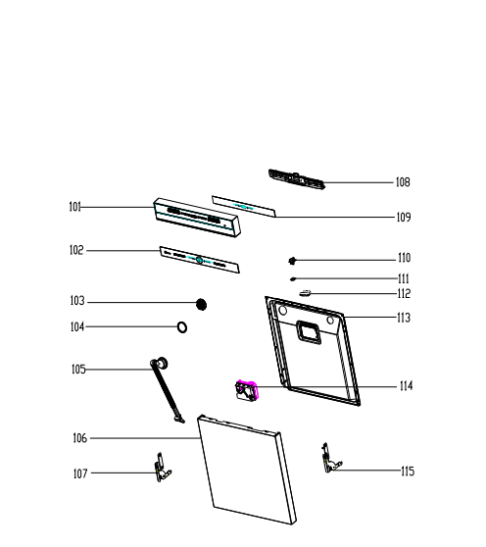 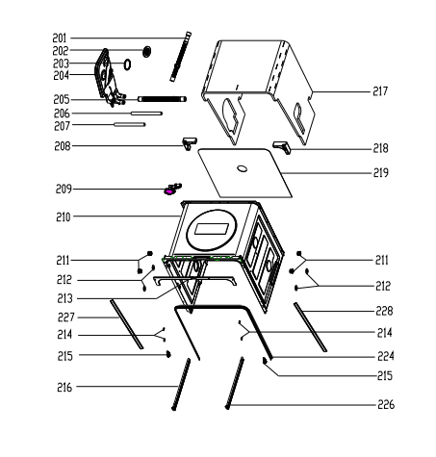
102 | 12176000039005 | Control Panel Patch | 1
103 | 12176000032682 | Nut | 1
104 | 12676000000713 | Washers | 1
105 | 12176000038877 | Condenser | 1
106 | 12276000A37621 | Outer Door | 1
107 | 12276000001731 | Left Hinge Assembly | 1
108 | 12176000A76901 | Handle Box | 1
109 | 17176000035890 | Display Circuit Board | 1
110 | 12176000009495 | Door Lock Hook | 1
111 | 12676000001038 | Waterproof Silicone Pad | 1
112 | 12276000024012 | Inner Door Assembly | 1
113 | 12176000008565 | Lock Buckle Fixing Block | 1
114 | 17476000009602 | Dispenser | 1
115 | 12276000016091 | Righ Hinge Assembly | 1
201 | 12676000004884 | Drain Hose Assembly | 1
202 | 12176000032682 | Nut | 1
203 | 12676000000713 | Washers | 1
204 | 17476000015104 | Air Breather Assembly | 1
205 | 12676000003921 | Drain Hose | 1
206 | 12676000010401 | Inlet Hose Of Air Breaker | 1
207 | 12676000000644 | Pipe | 1
208 | 12176000027453 | Upper Back Support | 1
209 | 17476000000035 | Door Swicth Assembly | 1 | 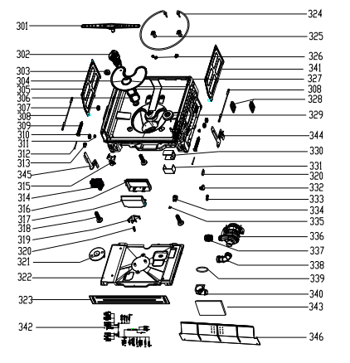 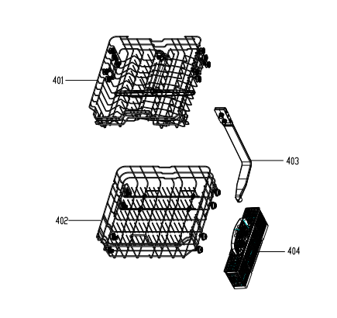
210 | 12276000023293 | Tub Assembly | 1
211 | 12176000010412 | Rail Support Assembly | 4
212 | 12176000008573 | Basket Guider Supporting Holder | 4
213 | 12276000002991 | Angle Plate | 1
214 | 12176000025289 | Cap | 4
215 | 12176000025300 | Stopper | 2
216 | 12276000014587 | upper basket guider(left) | 1
217 | 12676000003343 | Absorbent Cotton | 1
218 | 12176000027452 | Upper Back Support | 1
219 | 12676000005584 | Damp | 1
224 | 12676000010398 | Seal | 1
226 | 12276000014586 | upper basket guider(right) | 1
227 | 12176000022464 | Door Protection Strip | 1
301 | 12276000012805 | Lower Sprayer | 1
302 | 12176000019828 | Filter Handle | 1
303 | 17476000006563 | Thermostat | 1
304 | 12276000001513 | Plane Filter | 1
305 | 12276000017329 | Left Connecting Board | 1
306 | 12176000003649 | Filter Handle | 1
307 | 12176000008820 | Rope Pulley | 2
308 | 12976000000392 | Door Rope | 2
309 | 12976000000133 | Spring | 2
310 | 12176000025290 | Wheel | 2
311 | 12176000003604 | Pin | 2
312 | 12976000001001 | Adjust Screw Of Door Spring | 2
313 | 12676000000993 | Check Valve Seat Assembly | 1
314 | 11001011001029 | Drain Pump | 1
315 | 17476000007453 | Inlet Valve | 1
316 | 12176000039009 | PCB Box | 1
317 | 12176000039008 | PCB Box | 1
318 | 12176000009726 | Foot | 3
319 | 12176000024250 | Float Seat | 1
320 | 17476000001137 | Microswitch | 1
321 | 12876000000050 | Float | 1
322 | 12176000039017 | Base Tray Cover | 1
323 | 12276000A17589 | Adjustable Baseboard | 1
324 | 17476000006525 | Heating Elements | 1
325 | 12176000019892 | Plastic Sleeve | 2
326 | 12276000011009 | Bracket | 2
327 | 12176000039003 | Base | 1
328 | 12676000003901 | Wash Pump Holder | 2
329 | 12176000039002 | Floater | 1
330 | 12276000001798 | Junction Box A | 1
331 | 12276000001800 | Junction Box B | 1
332 | 12176000019954 | Float Seat | 1
333 | 12176000019950 | Float Shrapnel | 1
334 | 17176000014521 | Turbidity Sensor | 1
335 | 17176000A10026 | thermistor | 1
336 | / | washing pump | 1
337 | 12676000000132 | Washing Pump Outlet Pipe | 1
338 | 12676000003903 | Inlet Pipe | 1
339 | 12676000003902 | O Type Sealing Ring | 1
340 | 12176000029659 | Shunt Valve Chamber Cover | 1
341 | 12276000012465 | Right Connecting Board | 1
342 | 17476000015166 | Main Wire Harness | 1
343 | 17176000038904 | Main control panel | 1
344 | 12276000023872 | Left Hinge Holeder | 1
345 | 12276000023873 | Right Hinge Holder | 1
346 | 12276000A23071 | Baseboard
401 | 12976000011932 | Upper Basket Assembly | 1
402 | 12976000011931 | Lower Basket Assembly | 1
403 | 12176000038878 | Inner Pipe Assembly | 1
404 | P0000005153952 | Cutlery Basket | 1

