ECF18MDCW_BOM
ECF18MDCW_17.7 cu. ft. Chest Freezer_BOM
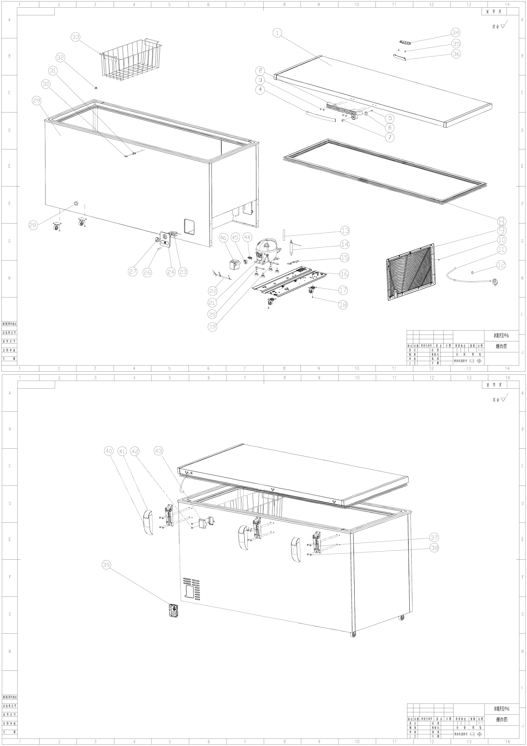

No | Part Name | Part No | pcs
1 | foamed door assy | 2337351 | 1
2 | handle | 1807143 | 1
3 | screw | 1104729 | 4
4 | handle cover | 1806305 | 1
5 | screw | 1144987 | 1
6 | lock hook | 1142834 | 1
7 | lock | 1879900 | 1
8 | door gasket | 2195090 | 1
9 | side cover | 2185402 | 1
10 | self-tapping screw | 1099072 | 6
11 | Power supply cord with plug | 2195903 | 1
12 | Rubber Ring | 1140066 | 1
13 | Process pipe | 1161130 | 1
14 | dry filter | 1800641 | 1
15 | Plastic clamp | 1140056 | 1
16 | compressor supporting board | 2199260 | 1
17 | roll wheel | 1835985 | 4
18 | screw | 1145011 | 12
19 | platen | 1111096 | 1
20 | platen | 1072839 | 1
21 | compressor | 2005356 | 1
22 | compressor wires | 2195907 | 1
23 | thermostat | 2146084 | 1
24 | Thermostat panel | 2340012 | 1
26 | Indication lamp | 2195904 | 1
27 | Thermostat knob | 1140063 | 1
28 | Drain plug | 1160083 | 1
29 | foamed box assy | 2337350 | 1
30 | screw | 1104729 | 2
31 | lock piece | 1914911 | 1
32 | knob drain | 1807766 | 1
33 | basket | 2198862 | 2
34 | LED light | 2159382 | 1
35 | screw | 1144980 | 2
36 | light cover | 2088793 | 1
37 | hinge assy | 1998032 | 4
38 | screw | 1145011 | 24
39 | Fixed cover | 2084214 | 1
40 | lower cover hinge | 1141816 | 3
41 | upper cover hinge | 1141818 | 3
42 | screw | 1145009 | 1
43 | upper plate of supply cable clamp | 2024461 | 1
44 | Thermal motor-protector | 1563801 | 1
45 | Starting device(PTC) | 1512634 | 1
46 | Terminal cover | 1612809 | 1

