ProductBom
Exploded View
客户型号(Customer model)： |  |  | EUF14CECS
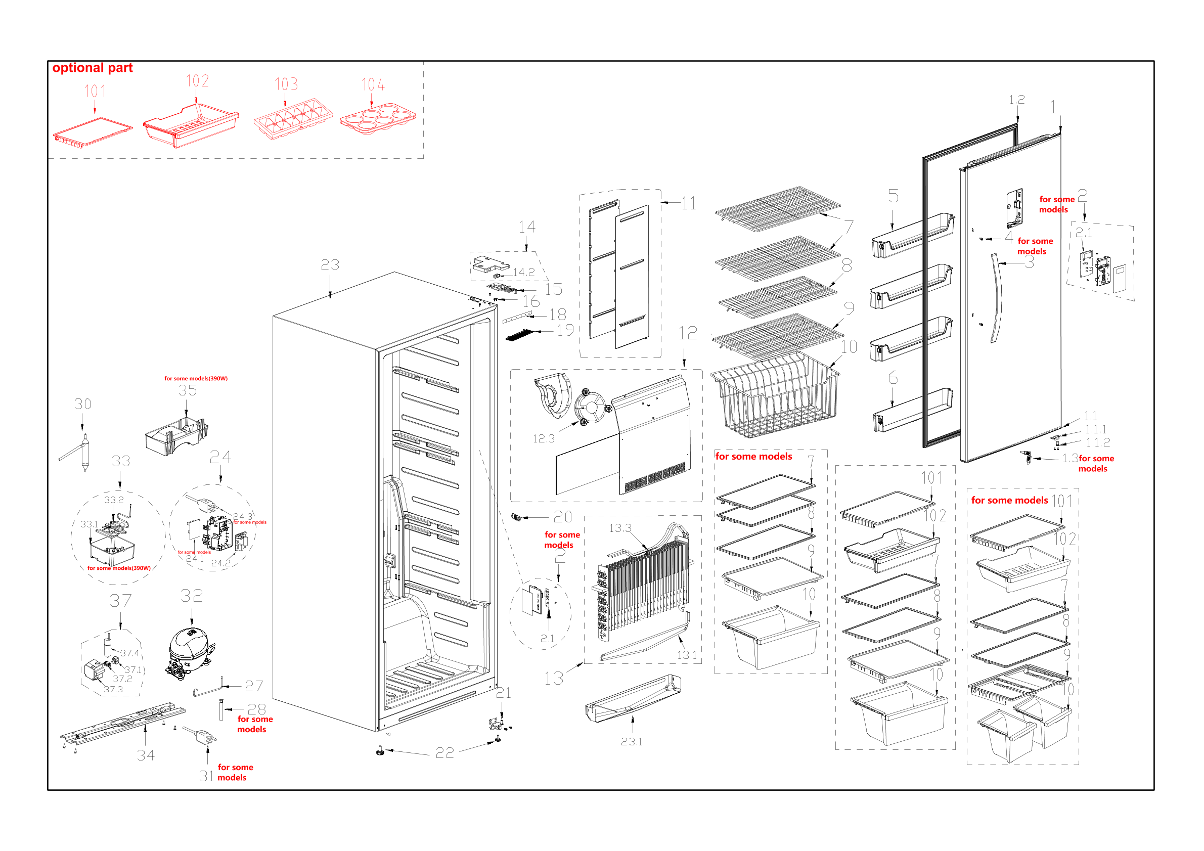

EX_ID | Spare Parts Code | Part Name(CN) | Part Name(EN) | Qty. | Remark2 | Part Status | Drawing No
1 | 12831000048278 | 冷冻室门体总成 | Freezer door assembly | 1 |  | In Use | A0176-341A
1.1 | 12131000079196 | 冷冻室端盖组件 | End cap assembly of freezer | 1 |  | In Use | A0176-350A
1.1.1 | 12231000017843 | 限位块 | Stopper | 1 |  | In Use | A0176-140
1.1.2 | 12131000006127 | 轴套 | Shaft sleave | 1 |  | In Use | 1122
1.2 | 12131000034205 | 冷冻室门封条组件 | Door gasket assembly of freezer | 1 |  | In Use | A0176-349
1.3 | 12931000007101 | 锁 | Lock | 1 |  | In Use | A0175-357
2 | 17131000012710 | 显控板印制板 | Display control PCB | 1 |  | In Use | N/A
2.1 | 17131000002521 | 显控板 | Display control panel | 1 |  | In Use | XKB-0031
3 | 12131000035481 | 冷冻室门把手 | Door handle of freezer compartment | 1 |  | In Use | 50113863000S
4 | 12931000000613 | 把手固定轴 | Handle Fixed Shaft | 2 |  | In Use | 501232010085
5 | 12131000086882 | 冷冻室大瓶框 | F large tray | 3 |  | In Use | A0176-105
6 | 12131000087549 | 冷冻室小瓶框 | F small tray | 1 |  | In Use | A0176-104
7 | 12531000018301 | 冷冻室玻璃搁架组件 | Freezer glass shelf assembly | 2 |  | In Use | A0176-107
8 | 12531000018139 | 冷冻室玻璃搁架组件 | Freezer glass shelf assembly | 1 |  | In Use | A0176-111
9 | 12531000018784 | 冷冻室玻璃搁架组件 | Freezer glass shelf assembly | 1 |  | In Use | A0176-110
11 | 12131000027784 | 冷冻室风道组件 | Air duct assembly of freezer | 1 |  | In Use | A0175-601
12 | 12131000027921 | 冷冻室风道组件 | Air duct assembly of freezer | 1 |  | In Use | A0176-602
12.3 | 11002015005261 | 无刷直流电机 | Brushless DC Motor | 1 |  | In Use | ZBYP-2.5-8-52
13 | 15831000004022 | 组件供货翅片蒸发器 | Component Supplying Fin Evaporator | 1 |  | In Use | ZFQ-1390
13.1 | 17431000028844 | 化霜加热器 | Defrost heater | 1 |  | In Use | JRQ-0087
14 | 12131000034201 | 铰链罩组件 | Hinge Cover Assembly | 1 |  | In Use | A0176-117
14.2 | 17431000000381 | 柱形开关 | Pillar Switch | 1 |  | In Use | MA00-505
15 | 12231000017362 | 上铰链 | Upper hinge | 1 |  | In Use | A0176-125
16 | 11301220000035 | 十字槽凹穴六角头法兰面螺钉 | screw | 4 |  | In Use | MJ01-00714
18 | 17431000005601 | LED灯 | LED lamp | 1 |  | In Use | LED-0007
19 | 12131000023981 | 灯罩 | Lamp cover | 1 |  | In Use | A0176-118
20 | 12131000093886 | 盒盖 | Box cover | 1 |  | In Use | 501125810006
21 | 12231000007150 | 下铰链组件 | Lower hinge assembly | 1 |  | In Use | 50290503000B
22 | 12131000001014 | 调节脚 | Levelling feet | 2 |  | In Use | 638120
23 | 12831000048274 | 箱体总成 | Cabinet assembly | 1 |  | In Use | A0176-201
23.1 | 12231000015762 | 接水盘 | Drain tray | 1 |  | In Use | A0176-116
24 | 12131000033524 | 主控板安装盒组件 | Main control board mounting box assembly | 1 |  | In Use | A0175-133
24.2 | 17131000002821 | 主控板 | Main control board | 1 |  | In Use | ZKB-0068
27 | 15531000007187 | SUCTION PIPE-A | SUCTION PIPE-A | 1 |  | In Use | 15531000007187
30 | 15531000000131 | 干燥过滤器 | Dry filter | 1 |  | In Use | GLQ-0005
32 | 11101010011093 | 定速往复式压缩机 | Fixed Speed Reciprocating Compressor | 1 |  | In Use | EZ75E1A-USCL1(GE1#)
32.1 | 12031000001063 | 启动器 | Starter | 1 |  | In Use | N/A
32.2 | 12031000001311 | 保护器 | Protector | 1 |  | In Use | 4TM302TFBYY
33 | 15531000008547 | 组件供货管连接件 | Component supplying pipe connector | 1 |  | In Use | 501604010016
33.1 | 12131000078695 | 接水盘 | Drain tray | 1 |  | In Use | 5011320102DS
34 | 12231000005811 | 压缩机安装板组件 | Compressor mounting panel assembly | 1 |  | In Use | 50123863000F
35 | 12131000078694 | 接水盘 | Drain tray | 1 |  | In Use | 50112321002G
37 | 16231000009286 | ACC PART PACK-C | ACC PART PACK-C | 1 |  | In Use | N/A
37.1 | 17431000032401 | OL | OL | 1 |  | In Use | N/A
37.2 | 17431000032402 | PTC THERMST | PTC THERMST | 1 |  | In Use | N/A
37.3 | 12131000076424 | TERMINAL COVER | TERMINAL COVER | 1 |  | In Use | N/A
37.4 | 17431000001253 | 电容 | Capacitor | 1 |  | In Use | 50149995008Y

