EGR34MCCW
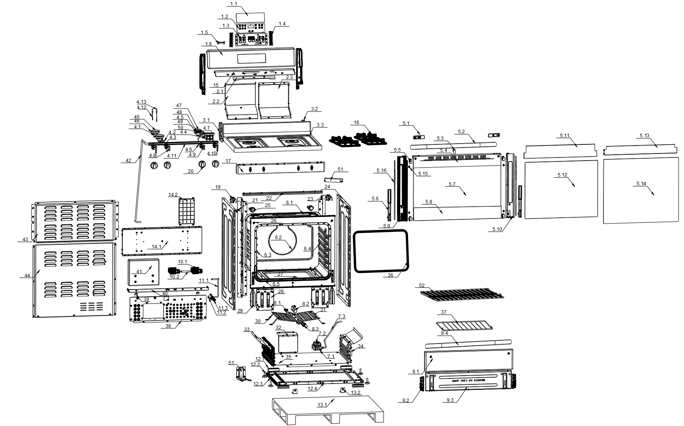
EGR34MCCW
1 | ZJ0106005 | Oven control panel component | 1 | set
1.1 | LB0211002 | Display screen sticker (white background with gray text) | 1 | pcs
1.2 | LB0102002 | Display PCB（LEILY） | 1 | pcs
1.3 | LB0203001 | Display screen fixed box | 1 | pcs
1.4 | LB0307010 | Control screen fixing plate | 2 | pcs
1.5 | LB0115002 | Display communication cable(LEILY) | 1 | pcs
1.6 | LB0305007 | control panel | 1 | pcs
2 |  |  | 1 | pcs
2.1 | LB0319008 | Smoke exhaust duct insulation board | 1 | pcs
2.2 | LB0314001 | Upper exhaust duct | 1 | pcs
2.3 | LB0314002 | Lower exhaust duct | 1 | pcs
3 | ZJ0102007 | Stove panel components | 1 | pcs
3.1 | LB0325002 | Left reinforcement plate of the panel | 1 | pcs
3.2 | LB0325003 | Right reinforcement plate of the panel | 1 | pcs
3.3 | LB0303007 | Gas baking plate | 1 | pcs
4 | ZJ0103001 | Stove intake pipe assembly | 1 | set
4.1 | LB0411002 | base | 2 | pcs
4.2 | LB0407002 | Left front aluminum tube | 1 | pcs
4.3 | LB0407003 | Left back aluminum tube | 1 | pcs
4.4 | LB0411003 | base | 1 | pcs
4.5 | LB0411001 | base | 1 | pcs
4.6 | LB0407004 | right back aluminum tube | 1 | pcs
4.7 | LB0407008 | right front aluminum tube | 1 | pcs
4.8 | LB0414001 | Without flameout valve body | 1 | pcs
4.9 | LB0414012 | Without flameout valve body | 1 | pcs
4.10 | LB0414013 | Without flameout valve body | 2 | pcs
4.11 | LB0407001 | intake pipe | 1 | pcs
4.12 | LB0409001 | Ignition needle | 2 | pcs
4.13 | LB0409002 | Ignition needle | 2 | pcs
5 | ZJ0105013 | Oven flip door component | 1 | set
5.1 | LB0307028 | Handle fixed plate | 2 | pcs
5.2 | LB0403014 | handle（WL） | 1 | pcs
5.3 | LB0327001 | Inner door glass pad | 1 | pcs
5.4 | LB0311026 | Decorative strip on the door | 1 | pcs
5.5 | LB0207001 | Middle glass door fixing block | 4 | pcs
5.6 | LB0402001 | Hinge assembly | 2 | pcs
5.7 | LB0501002 | Outer door glass | 1 | pcs
5.8 | LB0311004 | Underdoor decorative strip | 1 | pcs
5.9 | LB0310001 | Left bracket of door frame | 1 | pcs
5.10 | LB0310004 | Right bracket of door frame | 1 | pcs
5.11 | LB0319002 | Outer door glass insulation plate | 1 | pcs
5.12 | LB0502001 | middle door glass | 1 | pcs
5.13 | LB0319003 | middle door glass insulation plate | 1 | pcs
5.14 | LB0503001 | inner door glass | 1 | pcs
5.15 | LB0209001 | Inner door glass cushion | 4 | pcs
5.16
6 | ZJ0107003 | Oven liner components | 1 | set
6.1 | LB0301011 | Inner liner top plate | 1 | pcs
6.2 | LB0301013 | Inner liner back panel | 1 | pcs
6.3 | LB0301002 | Left side panel of inner liner | 1 | pcs
6.4 | LB0301003 | right side panel of inner liner | 1 | pcs
6.5 | LB0302001 | Inner liner front plate | 1 | pcs
7 |  |  | 1 | pcs
7.1 | LB0307013 | Pressure reducing valve fixing plate | 1 | pcs
7.2 | LB0414002 | Pressure stabilizing valve | 1 | pcs
7.3 | LB0407006 | Pressure reducing valve connected to aluminum tube (LEILY) | 1 | pcs
8 |  |  | 1 | set
8.1 | LB0117001 | ion probe | 1 | pcs
8.2 | LB0116001 | Silicon nitride igniter | 1 | pcs
8.3 | LB0415001 | Burner circular tube | 1 | pcs
9 | ZJ0108011 | Small cabinet door component Element | 1 | set
9.1 | LB0320019 | the small cabinet outside door | 1 | pcs
9.2 | LB0402002 | small door hinge assembly | 2 | pcs
9.3 | LB0321003 | small cabinet inner door | 1 | pcs
9.4 | LB0403014 | handle（WL） | 1 | pcs
10 |  |  | 1 | pcs
10.1 | LB0407010 | Electromagnetic valve connecting pipe | 1 | pcs
10.2 | LB0114001 | Electromagnetic valve (LEILY) | 2 | pcs
11 |  |  | 1 | set
11.1 | LB0407009 | Nozzle fixed seat connected to aluminum tube (LEILY) | 1 | pcs
11.2 | LB0316013 | Nozzle fixing seat fixing bracket | 1 | pcs
11.3 | LB0416001 | Nozzle holder | 1 | pcs
12 |  |  | 1 | set
12.1 | LB0322002 | Strengthening block for front or rear foot fixing bracket | 4 | pcs
12.2 | LB0208001 | Anti slip feet | 4 | pcs
12.3 | LB0316002 | Left and right foot fixing bracket | 2 | pcs
12.4 | LB0316001 | Front and rear foot fixing bracket | 2 | pcs
13 |  |  | 1 | pcs
13.1 | BZ0109004 | pallet | 1 | pcs
13.2 | LB0307009 | Packaging foot fixing plate | 2 | pcs
14 |  |  | 1 | set
14.1 | LB0323002 | Rear bracket of inner liner | 1 | pcs
14.2 | LB0103002 | power board | 1 | pcs
15 | LB0319001 | control panel insulation plate | 1 | pcs
16 | LB0410001 | Cast iron stove frame | 2 | pcs
17 | LB0306001 | switch board | 1 | pcs
19 | LB0325001 | control panelfixed bracket reinforcement plate | 2 | pcs
20 | LB0205002 | knob | 4 | pcs
21 | LB0326002 | switch board connect plate | 2 | pcs
22 | LB0326001 | Rear connection board | 1 | pcs
23 | LB0316003 | Right or left fixing bracket | 2 | pcs
24 | LB0304001 | right or left plate | 2 | pcs
25 | LB0106001 | floodlight | 2 | pcs
26 | LB0209002 | Oven door cushion | 2 | pcs
27 | LB0301012 | Inner liner bottom plate | 1 | pcs
28 | LB0323004 | front plate of Inner liner stand（Gas） | 2 | pcs
29 | LB0307012 | Hinge fixing plate | 2 | pcs
30 | LB0323013 | Burner bracket | 4 | pcs
31 | LB0415005 | Burner baffle | 1 | pcs
32 | LB0319004 | Pressure reducing valve insulation plate | 1 | pcs
33 | LB0319009 | right or left plate insulation plate | 2 | pcs
34 | LB0304005 | right or left plate for small cabinet door | 2 | pcs
35 | LB0307015 | Foot fixed plate | 1 | pcs
36 | LB0201001 | Fiber tube inner liner sealing ring | 1 | pcs
37 | LB0401002 | small gridiron | 1 | pcs
38 | LB0313007 | Rear lower cover plate | 1 | pcs
39 | LB0307014 | Inner liner bottom plate fixing plate | 2 | pcs
40 | LB0316014 | Power cord fixing bracket | 1 | pcs
41 | BZ0110001 | load-bearing brick | 1 | pcs
42 | LB0407005 | Intake pipe connecting pipe | 1 | pcs
43 | LB0313001 | Up rear cover plate baffle | 1 | pcs
44 | LB0313006 | Lower rear cover plate | 1 | pcs
45 | LB0413002 | fire cover | 2 | pcs
46 | LB0412002 | flamethrower | 1 | pcs
47 | LB0413001 | fire cover | 1 | pcs
48 | LB0412001 | flamethrower | 1 | pcs
49 | LB0413003 | fire cover | 1 | pcs
50 | LB0412003 | flamethrower | 1 | pcs
51 | LB0108001 | The pulse igniter | 1 | pcs
52 | LB0401001 | gridiron | 2 | pcs

 |  |  |  |  | LB0211002 | yes
 |  |  |  |  | LB0102002 | yes
 |  |  |  |  | LB0117001 | yes
 |  |  |  |  | LB0116001 | yes
 |  |  |  |  | LB0103002 | yes
 |  |  |  |  | Temp sensor

