ProductBom
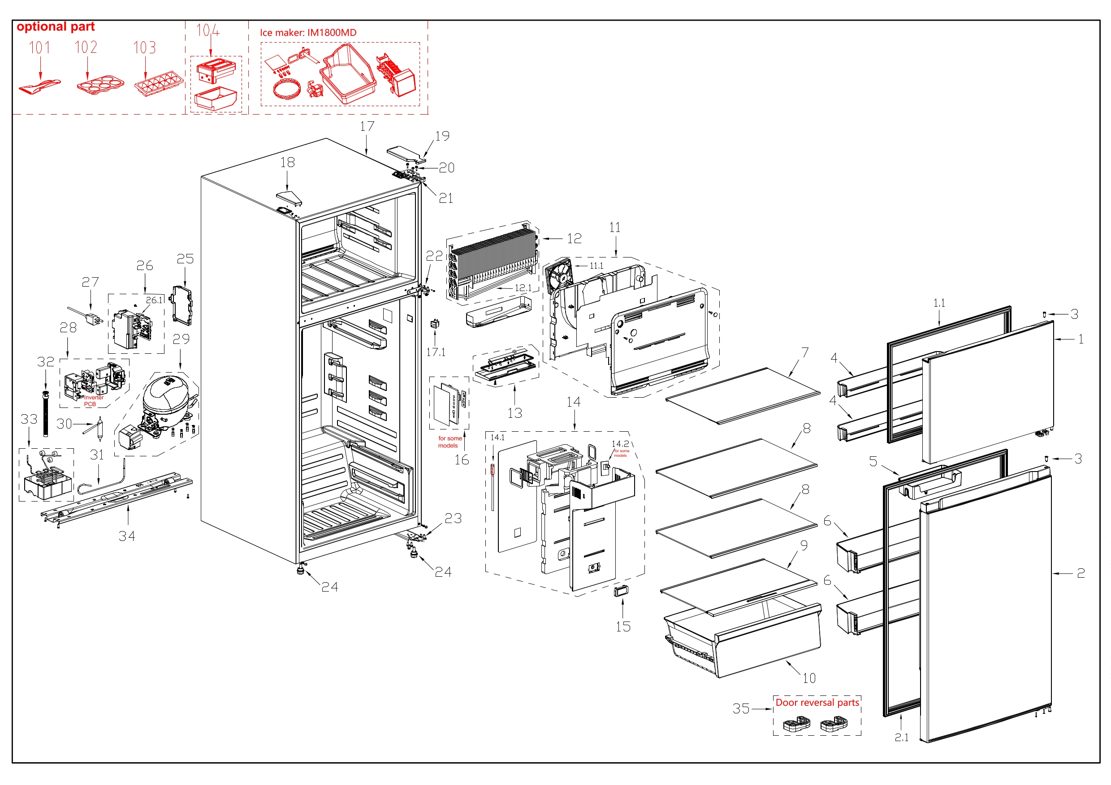
Exploded View
客户型号(Customer model)： |  |  | ERT16CGDB
订单编码(Order Product Code)： |  |  | 62310-AA0HQ301

EX_ID | Spare Parts Code | Part Name(CN) | Part Name(EN) | Qty.
1 | 12831000050688 | 冷冻室门体总成 | Freezer door assembly | 1
1.1 | 12131000094139 | 冷冻室门封条组件 | Door gasket assembly of freezer | 1
2 | 12831000050661 | 冷藏室门体总成 | Refrigerator door assembly | 1
2.1 | 12131000098865 | 冷藏室门封条组件 | Door gasket assembly of refrigerator | 1
3 | 12131000006127 | 轴套 | Shaft sleave | 2
4 | 12131000092885 | 冷冻室小瓶框 | F small tray | 2
5 | 12131000098634 | 冷藏室小瓶框 | R Small Tray | 1
6 | 12131000092783 | 冷藏室大瓶框 | R large tray | 2
7 | 12531000021322 | 冷冻室玻璃搁架组件 | Freezer glass shelf assembly | 1
8 | 12531000021343 | 冷藏室玻璃搁架组件 | Glass shelf assembly of refrigerator | 2
9 | 12531000021323 | 冷藏室玻璃搁架组件 | Glass shelf assembly of refrigerator | 1
10 | 12131000092819 | 果菜盒 | Fruits and vegetables box | 1
11 | 12131000093363 | 冷冻室风道组件 | Air duct assembly of freezer | 1
11.1 | 11002015013108 | 无刷直流电机 | Brushless DC Motor | 1
12 | 15831000009406 | 组件供货翅片蒸发器 | Component supplying fin evaporator | 1
12.1 | 17431000037066 | 化霜加热器 | Defrost heater | 1
13 | 12131000087787 | 灯安装盒组件 | Lamp mounting box assembly | 1
14 | 12131000089327 | 冷藏室风道组件 | air duct assembly of refrigerator | 1
14.1 | 11201007001840 | 温度传感器 | Temperature Sensor | 1
15 | 12131000058037 | 装饰组件 | Decorating assembly | 1
16 | 12131000079891 | 显控面板组件 | Display and Control Panel Assembly | 1
17 | 12831000054250 | 箱体总成 | Cabinet assembly | 1
17.1 | 17431000000392 | 扇形开关 | Sector-shaped switch | 1
18 | 12131000079074 | 盖板 | Cover plate | 1
19 | 12131000094136 | 铰链罩 | Hinge cover | 1
20 | 11301220000036 | 十字槽凹穴六角头法兰面螺钉 | Screw | 5
21 | 12231000052448 | 上铰链 | Upper hinge | 1
22 | 12231000052727 | 中铰链 | Middle hinge | 1
23 | 12231000023301 | 下铰链组件 | Upper Hinge Assembly | 1
24 | 12131000001014 | 调节脚 | Levelling feet | 2
25 | 12131000088828 | 盒盖 | Box cover | 1
26 | 12131000099939 | 主控板安装盒组件 | Main control board mounting box assembly | 1
26.1 | 17131000023568 | 主控板 | Main control board | 1
27 | 17431000033909 | 美标电源线 | American standard power cord | 1
28 | 17231000004743 | 控制板组件 | Control panel assembly | 1
29 | 11101020006624 | 变频往复式压缩机 | DC Inverter Reciprocating Compressor | 1
30 | 15531000001944 | 干燥过滤器 | Dry filter | 1
31 | 15531000012226 | 吸气连接管 | Suction connection tube | 1
32 | 12131000087702 | 排水管 | Drain-pipe | 1
33 | 15531000012407 | 组件供货管连接件 | Component supplying pipe connector | 1
34 | 12231000044006 | 压缩机安装板组件 | Compressor Mounting Panel Assembly | 1
35 | 12131000056796 | 门自锁 | Door self-locking | 2

