ProductBom
Exploded View
客户型号(Customer model)： |  |  | ERT18CSEW
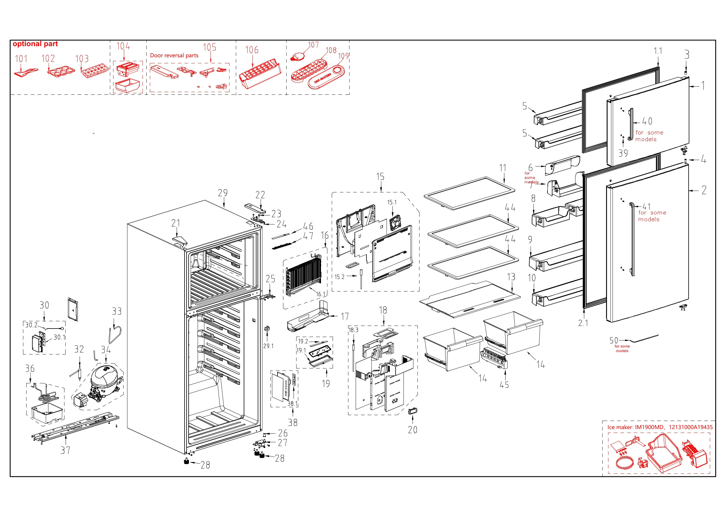

EX_ID | Spare Parts Code | Part Name(CN) | Part Name(EN) | Qty.
1 | 12831000A14704 | 冷冻室门体总成 | Freezer Door Assembly | 1
1.1 | 12131000109601 | 冷冻室门封条组件 | Door Gasket Assembly of Freezer | 1
2 | 12831000A14734 | 冷藏室门体总成 | Refrigerator Door Assembly | 1
2.1 | 12131000109583 | 冷藏室门封条组件 | Door Gasket Assembly of Refrigerator | 1
3 | 12131000006238 | 轴套 | Shaft sleave | 1
4 | 12131000006214 | 轴套 | Shaft sleave | 1
5 | 12131000087784 | 冷冻室大瓶框 | F large tray | 2
6 | 12131000076964 | 盒盖 | Box Cover | 1
7 | 12131000079071 | 安装盒 | Mounting box | 1
8 | 12131000022062 | 冷藏室小瓶框 | R Small Tray | 2
9 | 12131000022384 | 冷藏室大瓶框 | R Large Tray | 1
10 | 12131000022065 | 冷藏室大瓶框 | R Large Tray | 1
11 | 12531000026311 | 冷冻室玻璃搁架组件 | Freezer glass shelf assembly | 1
13 | 12531000026324 | 冷藏室玻璃搁架组件 | Glass shelf assembly of refrigerator | 1
14 | 12131000087696 | 果菜盒 | Fruits and vegetables box | 2
15 | 12131000106991 | 冷冻室风道组件 | Air duct assembly of freezer | 1
15.1 | 11002015013108 | 无刷直流电机 | Brushless DC Motor | 1
16 | 15831000006603 | 组件供货翅片蒸发器 | Component supplying fin evaporator | 1
16.1 | 17431000037066 | 化霜加热器 | Defrost heater | 1
17 | 12231000050347 | 接水盘 | Drain tray | 1
18 | 12131000106992 | 冷藏室风道组件 | air duct assembly of refrigerator | 1
18.3 | 11201007001840 | 温度传感器 | Temperature Sensor | 1
19 | 12131000106972 | 灯安装盒组件 | Lamp mounting box assembly | 1
19.1 | 12131000073551 | 灯罩 | Lamp cover | 1
19.2 | 17431000009581 | LED灯 | LED lamp | 1
20 | 12131000058037 | 装饰组件 | Decorating assembly | 1
21 | 12131000014610 | 铰链罩 | Hinge cover | 1
22 | 12131000005146 | 铰链罩 | Hinge Cover | 1
23 | 11303305000004 | 十字槽凹穴六角头法兰面自攻锁紧螺钉 | Screw | 3
24 | 12231000006970 | 上铰链 | Upper Hinge | 1
25 | 12231000007086 | 中铰链组件 | Middle Hinge Assembly | 1
26 | 12131000006217 | 轴套 | Shaft sleave | 1
27 | 12231000007012 | 下铰链组件 | Lower hinge assembly | 1
28 | 12131000000986 | 调节脚 | Levelling feet | 2
29 | 12831000A14737 | 箱体总成 | Cabinet assembly | 1
29.1 | 17431000000392 | 扇形开关 | Sector-shaped switch | 1
30 | 12131000106973 | 主控板安装盒组件 | Main Control Board Mounting Box Assembly | 1
30.1 | 17131000028413 | 主控板 | Main Control Board | 1
30.2 | 17431000033909 | 美标电源线 | American standard power cord | 1
32 | 15531000001944 | 干燥过滤器 | Dry filter | 1
33 | 15531000010086 | 吸气连接管 | Suction connection tube | 1
34 | 11101020008784 | 变频往复式压缩机 | DC Inverter Reciprocating Compressor | 1
36 | 15531000010566 | 组件供货管连接件 | Component supplying pipe connector | 1
37 | 12231000057533 | 压缩机安装板组件 | Compressor mounting panel assembly | 1
38 | 12131000079891 | 显控面板组件 | Display and Control Panel Assembly | 1
38.1 | 17131000008091 | 显控板 | Display control panel | 1
44 | 12531000026605 | 冷藏室玻璃搁架组件 | Glass shelf components of refrigerator | 2
45 | 12131000106465 | 导轨 | Guide | 1
105 | 12231000011274 | 限位块 | Limit Block | 1

