ProductBom
Exploded View
客户型号(Customer model)： |  | EHWR10BE
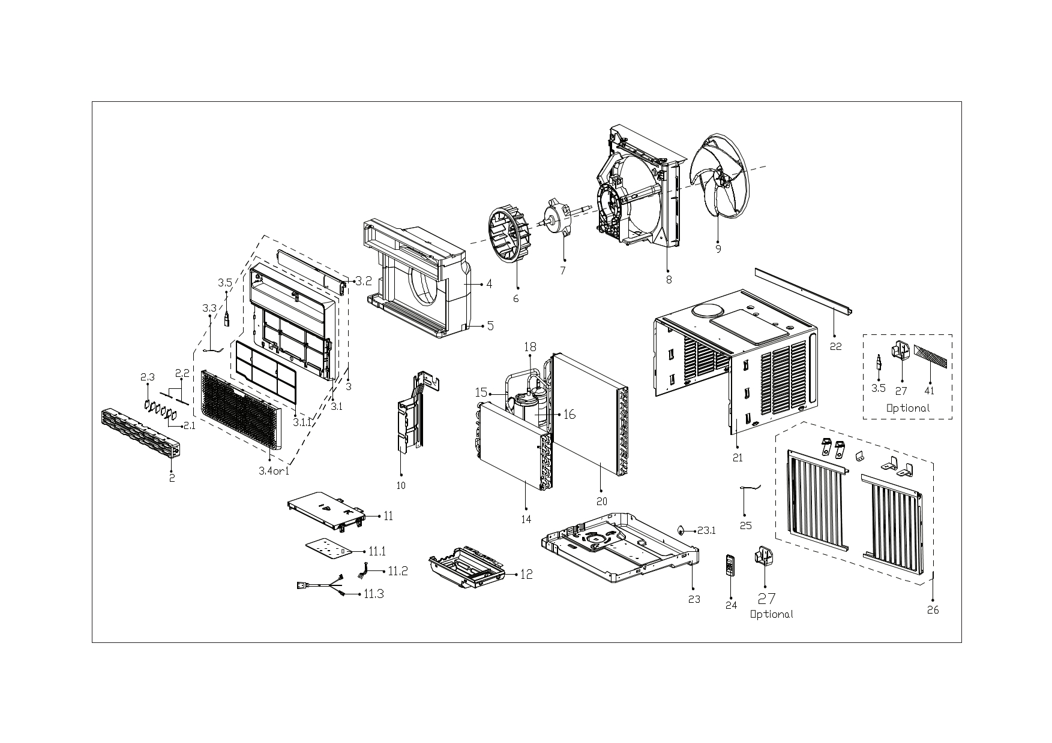

EX_ID | Spare Parts Code | Part Name(EN) | Qty.
1 | 12120300A33676 | Panel Assembly | 1
2 | 12120300A33794 | Air outlet assembly | 1
2.1 | 12120300007545 | Horizontal louver | 2
2.2 | 12120300A13976 | Connecting rod of louver | 2
2.3 | 12120300A13417 | Horizontal louver | 4
3 | 12120300A40404 | Panel Frame Assembly | 1
3.1 | 12120300A33652 | Panel frame assembly | 1
3.1.1 | 12120300A33670 | Air filter | 1
3.2 | 17220300A27510 | Display Box Subassembly | 1
3.3 | 11201007003424 | Room Temperature Sensor | 1
4 | 12820300001039 | Volute shell subassembly(above) | 1
5 | 12820300001059 | Volute shell (below) | 1
6 | 12100103001804 | Centrifugal Fan | 1
7 | 11002015019914 | Brushless DC Motor | 1
8 | 12120300007486 | Rear barrier board subassembly | 1
9 | 12100105001461 | Axial Flow Fan | 1
10 | 12220300006239 | Front separating board subassembly | 1
11 | 17220300007110 | Electronic Control Box Subassembly | 1
11.1 | 17120300007410 | Main Control Board Subassembly | 1
11.2 | 17122000069578 | Combination Temperature Sensor | 1
11.3 | 17401202015895 | American standard power cord | 1
12 | 12120300007628 | Electrical Control Box-Structure Subassembly | 1
14 | 15820300005022 | Evaporator assembly | 1
15 | 15120300008182 | Suction Pipe Assembly | 1
16 | 11103020015319 | DC Inverter Rotary Compressor | 1
18 | 15120300009203 | Discharge pipe assembly | 1
20 | 15820300004244 | Condenser assembly | 1
21 | 12220300006259 | Cabinet assembly | 1
22 | 12220300003506 | Top Shutter Frame Subassembly | 1
23 | 12220300006260 | Chassis assembly | 1
23.1 | 12600801001503 | Rubber plug | 1
24 | 17317000A73591 | Remote Controller | 1
25 | 11201007003447 | Pipe Temperature Sensor | 1
26 | 12020300000788 | Installation Accessory | 1

