ProductBom
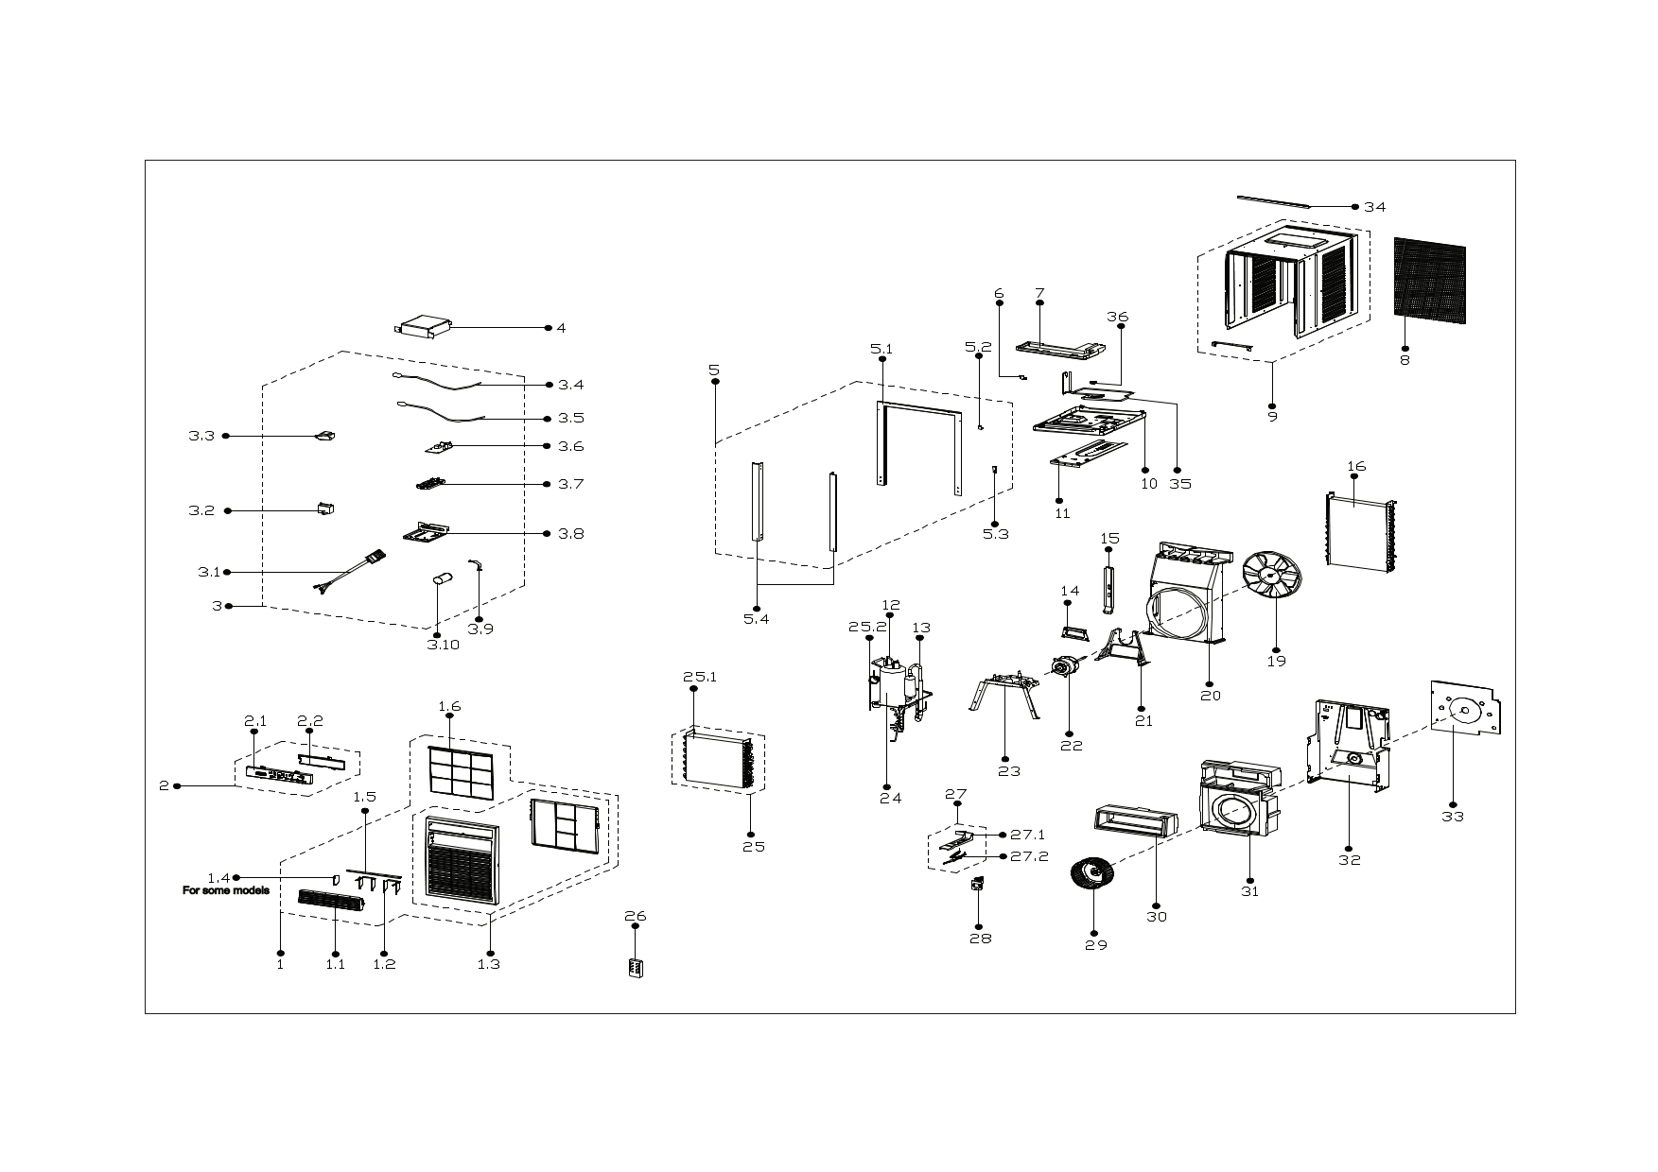
Exploded View
客户型号(Customer model)： |  | ESC10BE

EX_ID | Spare Parts Code | Part Name(EN) | Qty.
1 | 12120300005264 | panel subassembly | 1
1.1 | 12120300004588 | Air outlet frame | 1
1.2 | 12120300004590 | Horizontal louver | 4
1.3 | 12120300004546 | panel subassembly | 1
1.5 | 12120300004591 | Connecting rod of louver | 1
1.6 | 12120300004584 | Filter | 1
2 | 17220300A29752 | Display Box Subassembly | 1
2.1 | 12120300004604 | Control panel | 1
2.2 | 12120300004632 | Cover of control panel | 1
3 | 17220300005610 | Electronic control box subassembly | 1
3.2 | 17400101A00464 | Capacitor of fan motor | 1
3.3 | 11203103002539 | Linear Transformer | 1
3.4 | 11201007003444 | Pipe Temperature Sensor | 1
3.5 | 11201007003440 | Room Temperature Sensor | 1
3.6 | 17120300004488 | Main control board subassembly | 1
3.7 | 12120300003724 | Bracket of Main Control Board | 1
3.8 | 12220300005398 | Electronic control box subassembly | 1
3.9 | 12200203000007 | Capacitor clip | 1
3.10 | 17400103000364 | Capacitor of compressor | 1
4 | 12220300005442 | Electronic control box cover subassembly | 1
5 | 12020300001027 | Installation accessory | 1
5.1 | 12120300004844 | Top shutter frame subassembly | 1
5.2 | 12220300003862 | Fixing plate | 1
5.3 | 12220300003863 | Fixing board | 1
5.4 | 12220300003865 | Side shutter frame | 2
6 | 12220300000531 | Fixing plate | 1
7 | 12820300000027 | Condenser water tray | 1
8 | 12120300000929 | Rear net | 1
9 | 12220300003719 | Cabinet | 1
10 | 12220300003727 | Chassis Assembly | 1
11 | 12220300003721 | Installation board | 1
12 | 15120300007302 | Discharge pipe assembly | 1
13 | 15120300008271 | Suction pipe assembly | 1
14 | 12220300000445 | Cover of motor | 1
15 | 12220300003731 | Supporting board | 1
16 | 15820300003822 | Condenser Assembly | 1
19 | 12100105000012 | Axial flow fan | 1
20 | 12120300005372 | Rear barrier board subassembly | 1
21 | 12220300001107 | Supporter of fan motor | 1
22 | 11002012001843 | Single Phase Asynchronous Motor | 1
23 | 12220300001106 | Bracket of compressor assembly | 1
24 | 11103010014611 | Fixed Speed Rotary Compressor | 1
25 | 15820300004319 | Evaporator assembly | 1
25.1 | 15820300002640 | Evaporator | 1
25.2 | 15120300008274 | Capillary subassembly | 1
26 | 17317000A66273 | Remote controller | 1
27 | 12120300005047 | Fresh air door subassembly | 1
27.1 | 12120300004609 | Bracket of fresh air door | 1
27.2 | 12120300004623 | Connecting rod of fresh air door | 1
28 | 12120300000231 | Fresh air door | 1
29 | 12100103000167 | centrifuge fan | 1
30 | 12820300000100 | Volute shell (above) | 1
32 | 12220300005441 | Front separating board subassembly | 1
34 | 12120300004637 | Top shutter frame subassembly | 1
35 | 15120300002832 | Cooling coil assembly | 1
36 | 12120300004635 | Fix clamp | 3

