ProductBom
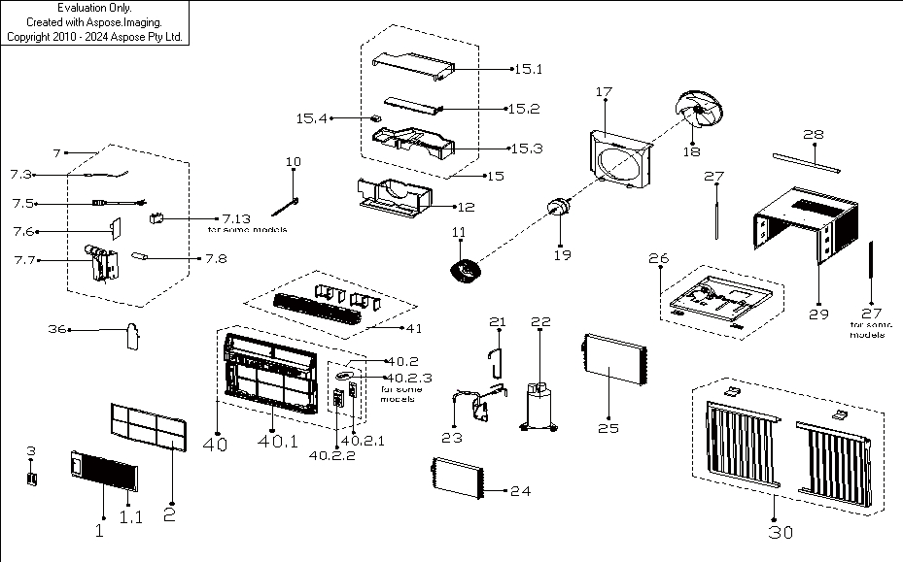
Exploded View
客户型号(Customer model)： |  | EWR12C

EX_ID | Spare Parts Code | Part Name(EN) | Qty.
1 | 12120300A32646 | Front panel assembly | 1
1.1 | 12120300A21693 | Panel | 1
1.2 | 12120300A22527 | Panel frame assembly | 1
1.2.2 | 12120300A22526 | Panel frame | 1
1.5 | 12120300A21700 | Air outlet assembly | 1
1.6 | 12120300A21712 | Air filter | 1
1.8 | 17220300A23933 | Display box subassembly | 1
3 | 17317000A66273 | Remote controller | 1
7 | 17220300005150 | Electronic control box subassembly | 1
7.3 | 11201007003446 | Room Temperature Sensor | 1
7.5 | 17401202016251 | American standard power cord | 1
7.6 | 17120300003509 | Main Control Board Subassembly | 1
7.7 | 12220300007440 | Electronic control box | 1
7.8 | 17400104000765 | Capacitor of compressor | 1
7.13 | 17400104000765 | Capacitor of compressor | 1
10 | 12120300004387 | Connecting rod of fresh air door | 1
11 | 12100103000052 | Centrifugal Fan | 1
12 | 12820300000399 | Volute shell subassembly(below) | 1
15 | 12820300A00155 | Volute shell subassembly(above) | 1
15.1 | 12820300000459 | Volute shell (above) | 1
15.2 | 12120300A19607 | Wind baffle board | 1
15.3 | 12820300000499 | Volute shell (middle) | 1
15.4 | 12120300003165 | Bracket of fresh air door | 1
17 | 12120300008347 | Rear Barrier Board Subassembly | 1
18 | 12100105000032 | Axial Flow Fan | 1
19 | 11002012010280 | Single Phase Asynchronous Motor | 1
21 | 15120300006623 | Suction pipe assembly | 1
22 | 11103010028615 | Fixed Speed Rotary Compressor | 1
23 | 15120300009443 | Discharge pipe assembly | 1
24 | 15820300004883 | Evaporator assembly | 1
25 | 15820300003423 | Condenser assembly | 1
26 | 12220300A01403 | Chassis assembly | 1
28 | 12220300003501 | Top Shutter Frame Subassembly | 1
29 | 12220300A01414 | Cabinet assembly | 1
30 | 12020300000527 | Installation Accessory | 1
36 | 12220300001758 | Cover of electronic control box | 1

