ProductBom
Exploded View
客户型号(Customer model)： |  | EHWR14BE
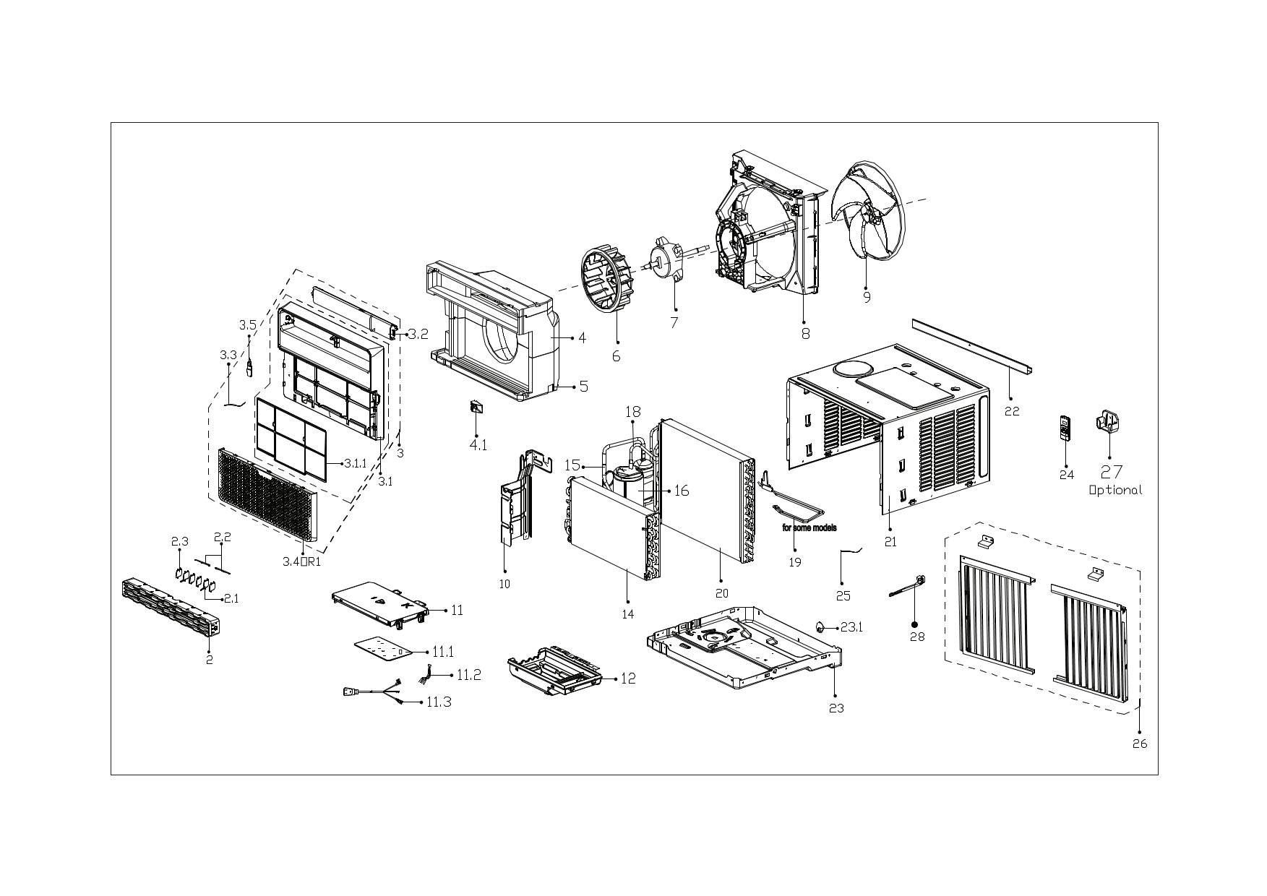

EX_ID | Spare Parts Code | Part Name(EN) | Qty.
1 | 12120300A33672 | Panel Assembly | 1
2 | 12120300A33795 | Air outlet assembly | 1
2.1 | 12120300007564 | Horizontal louver | 2
2.2 | 12120300A13976 | Connecting rod of louver | 2
2.3 | 12120300A13418 | Horizontal louver | 4
3 | 12120300A40403 | Panel Frame Assembly | 1
3.1 | 12120300A33653 | Panel frame assembly | 1
3.1.1 | 12120300A33671 | Air filter | 1
3.2 | 17220300A27510 | Display Box Subassembly | 1
3.3 | 11201007003424 | Room Temperature Sensor | 1
4 | 12820300001079 | Volute shell subassembly(above) | 1
4.1 | 12120300003165 | Bracket of fresh air door | 1
5 | 12820300001080 | Volute shell (below) | 1
6 | 12100103000052 | Centrifugal Fan | 1
7 | 11002015019914 | Brushless DC Motor | 1
8 | 12120300007499 | Rear barrier board subassembly | 1
9 | 12100105001481 | Axial Flow Fan | 1
10 | 12220300006266 | Front separating board subassembly | 1
11 | 17220300007150 | Electronic Control Box Subassembly | 1
11.1 | 17120300007448 | Main Control Board Subassembly | 1
11.2 | 17122000069578 | Combination Temperature Sensor | 1
11.3 | 17401202015904 | American standard power cord | 1
12 | 12120300007608 | Electrical Control Box-Structure Subassembly | 1
14 | 15820300005043 | Evaporator assembly | 1
15 | 15120300008182 | Suction Pipe Assembly | 1
16 | 11103020005082 | DC Inverter Rotary Compressor | 1
18 | 15120300009262 | Discharge pipe assembly | 1
20 | 15820300005042 | Condenser Assembly | 1
21 | 12220300006271 | Cabinet assembly | 1
22 | 12220300005339 | Top shutter frame subassembly | 1
23 | 12220300006438 | Chassis assembly | 1
23.1 | 12600801001503 | Rubber plug | 1
24 | 17317000A73591 | Remote Controller | 1
25 | 11201007003447 | Pipe Temperature Sensor | 1
26 | 12020300000787 | Installation Accessory | 1
28 | 12120300004387 | Connecting rod of fresh air door | 1

