ProductBom
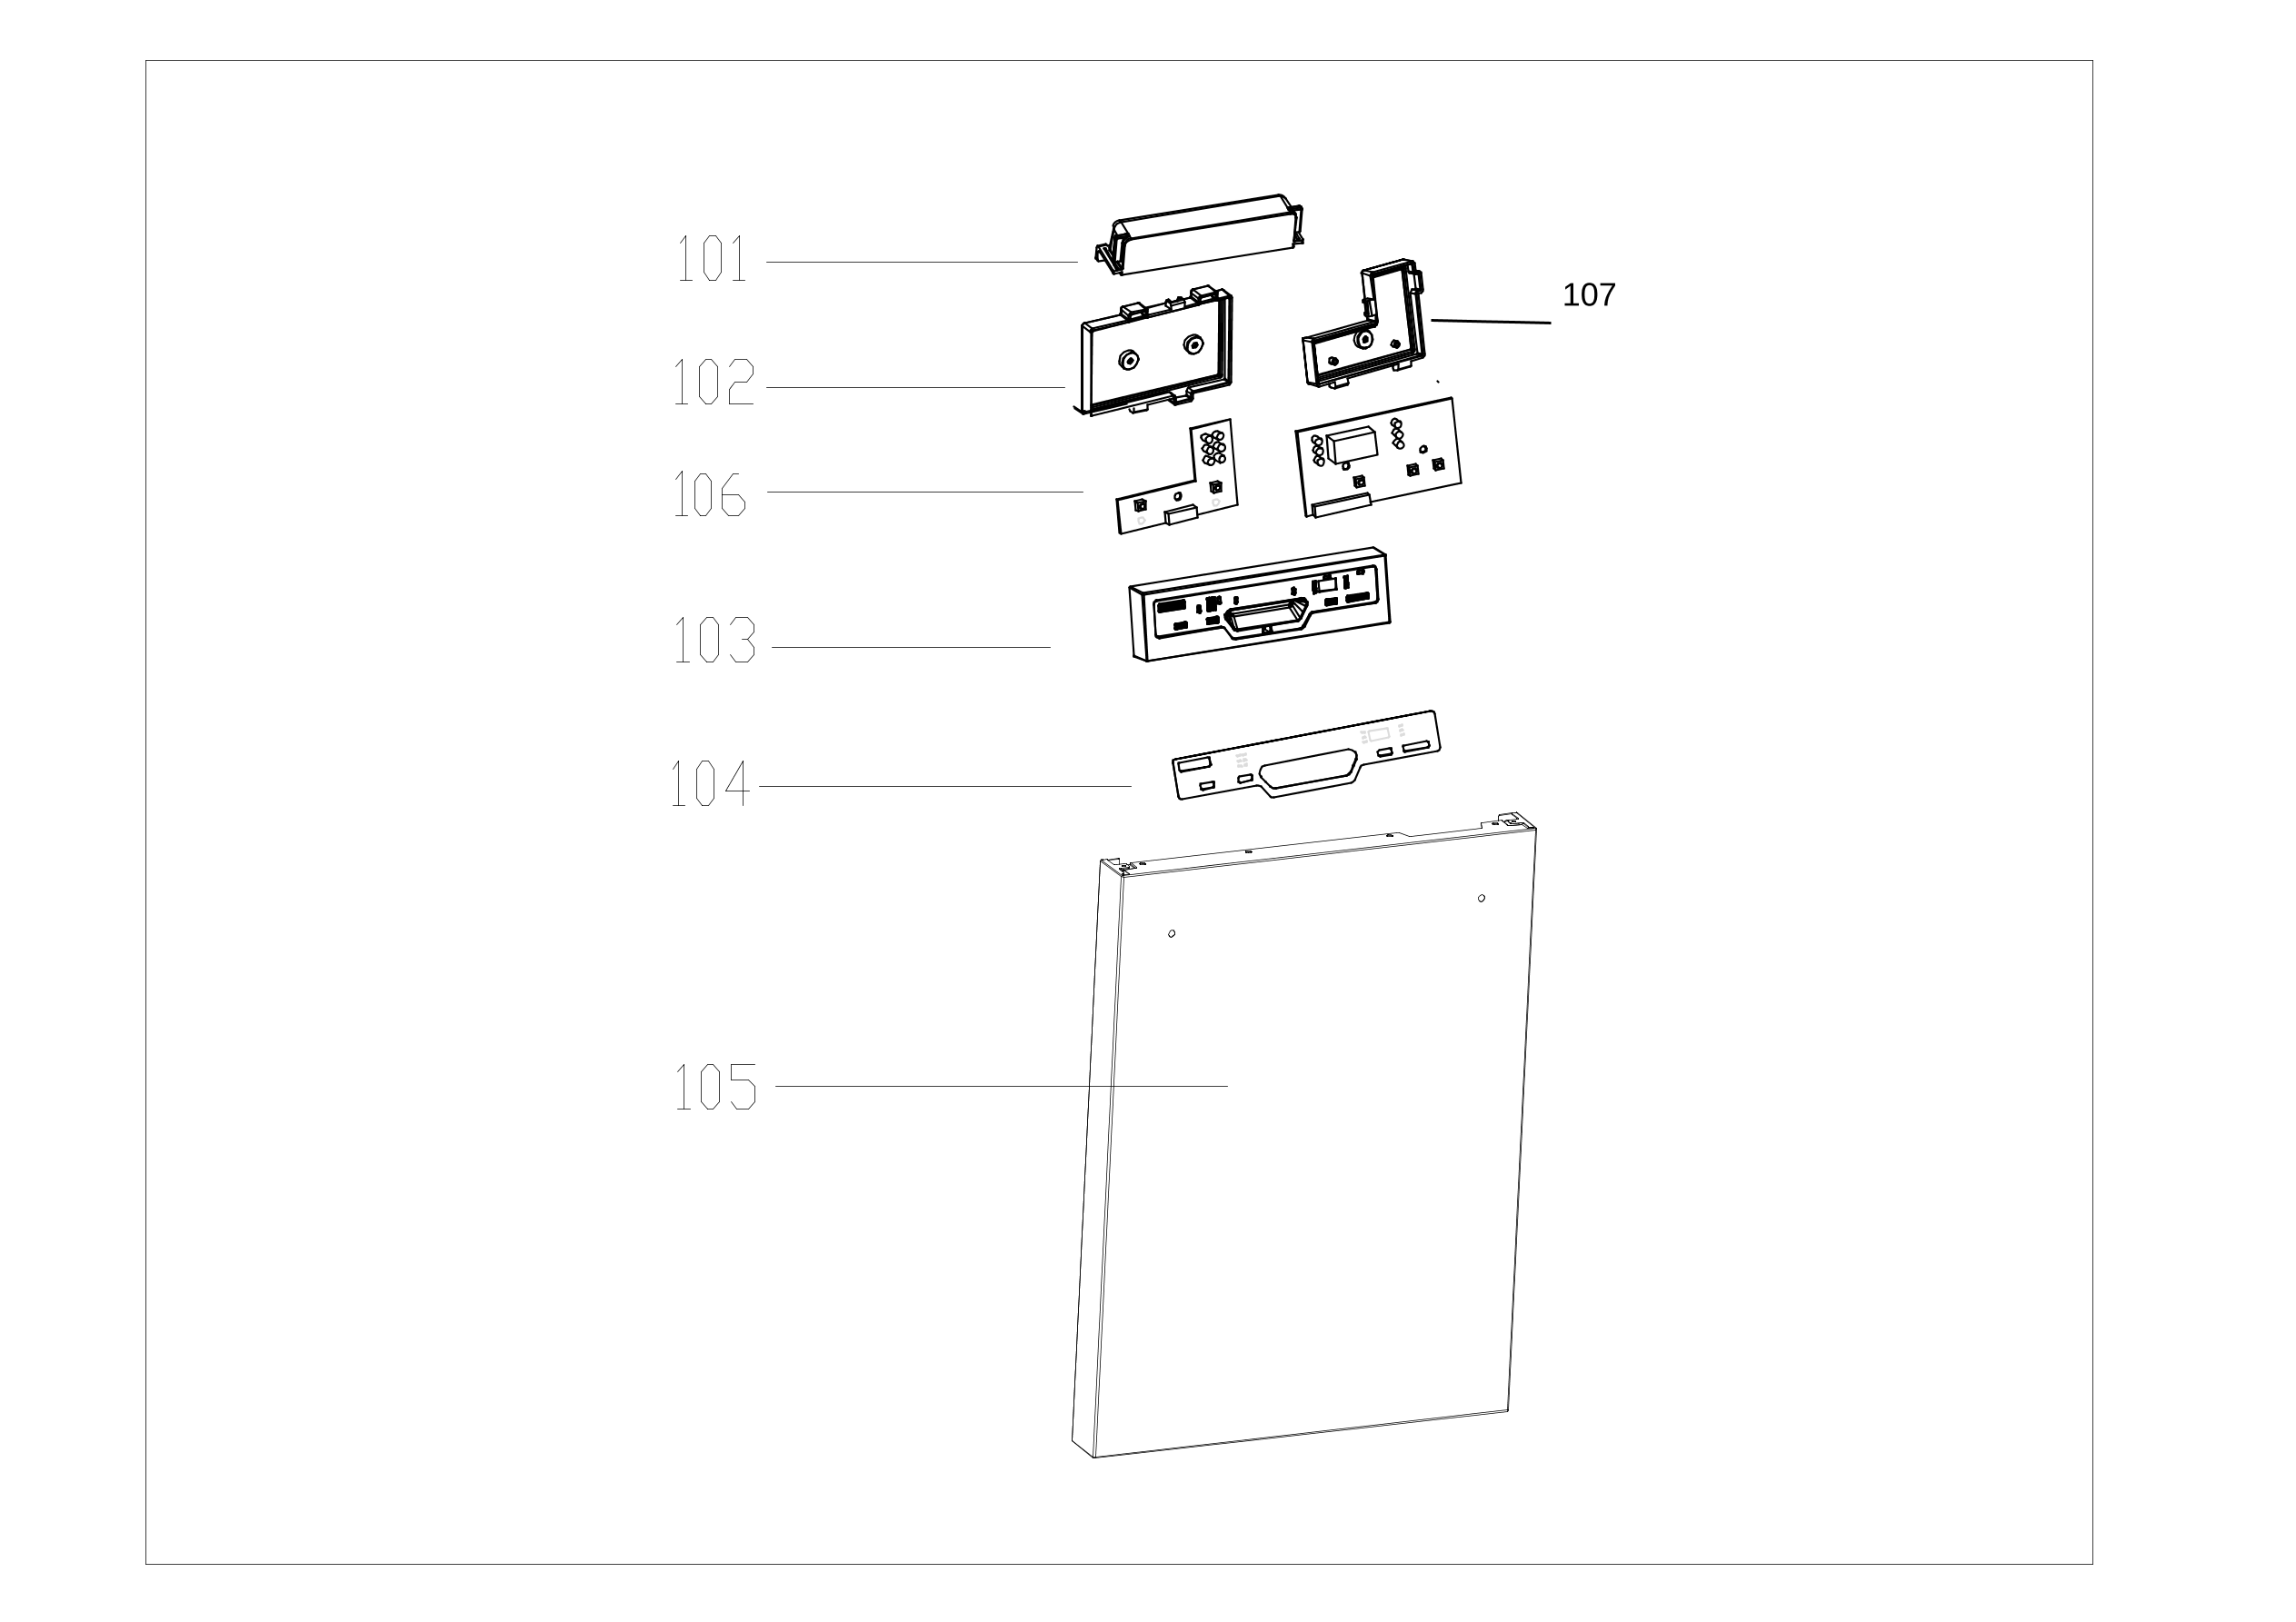
Exploded View
客户型号(Customer model)： |  | ENB6631PEBS

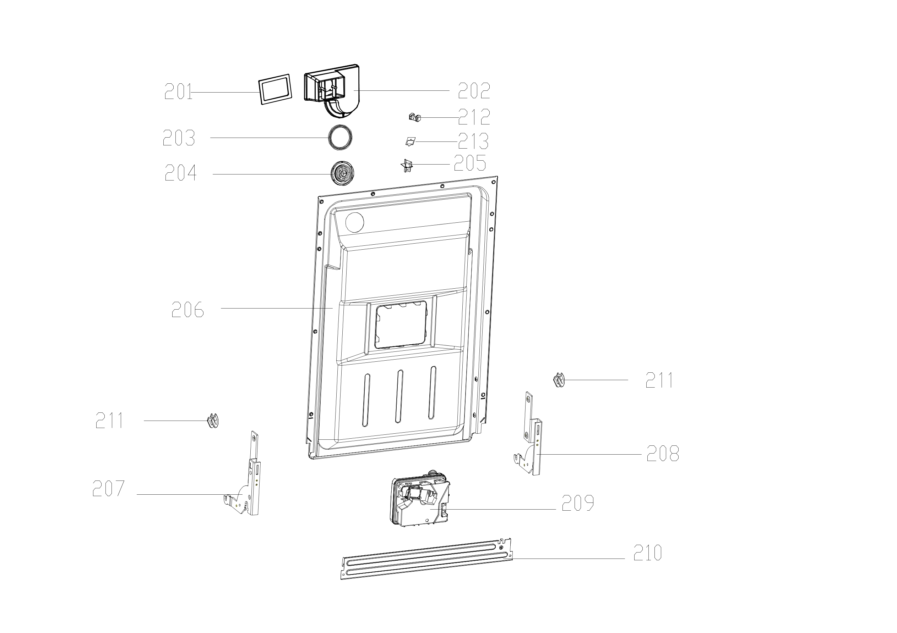

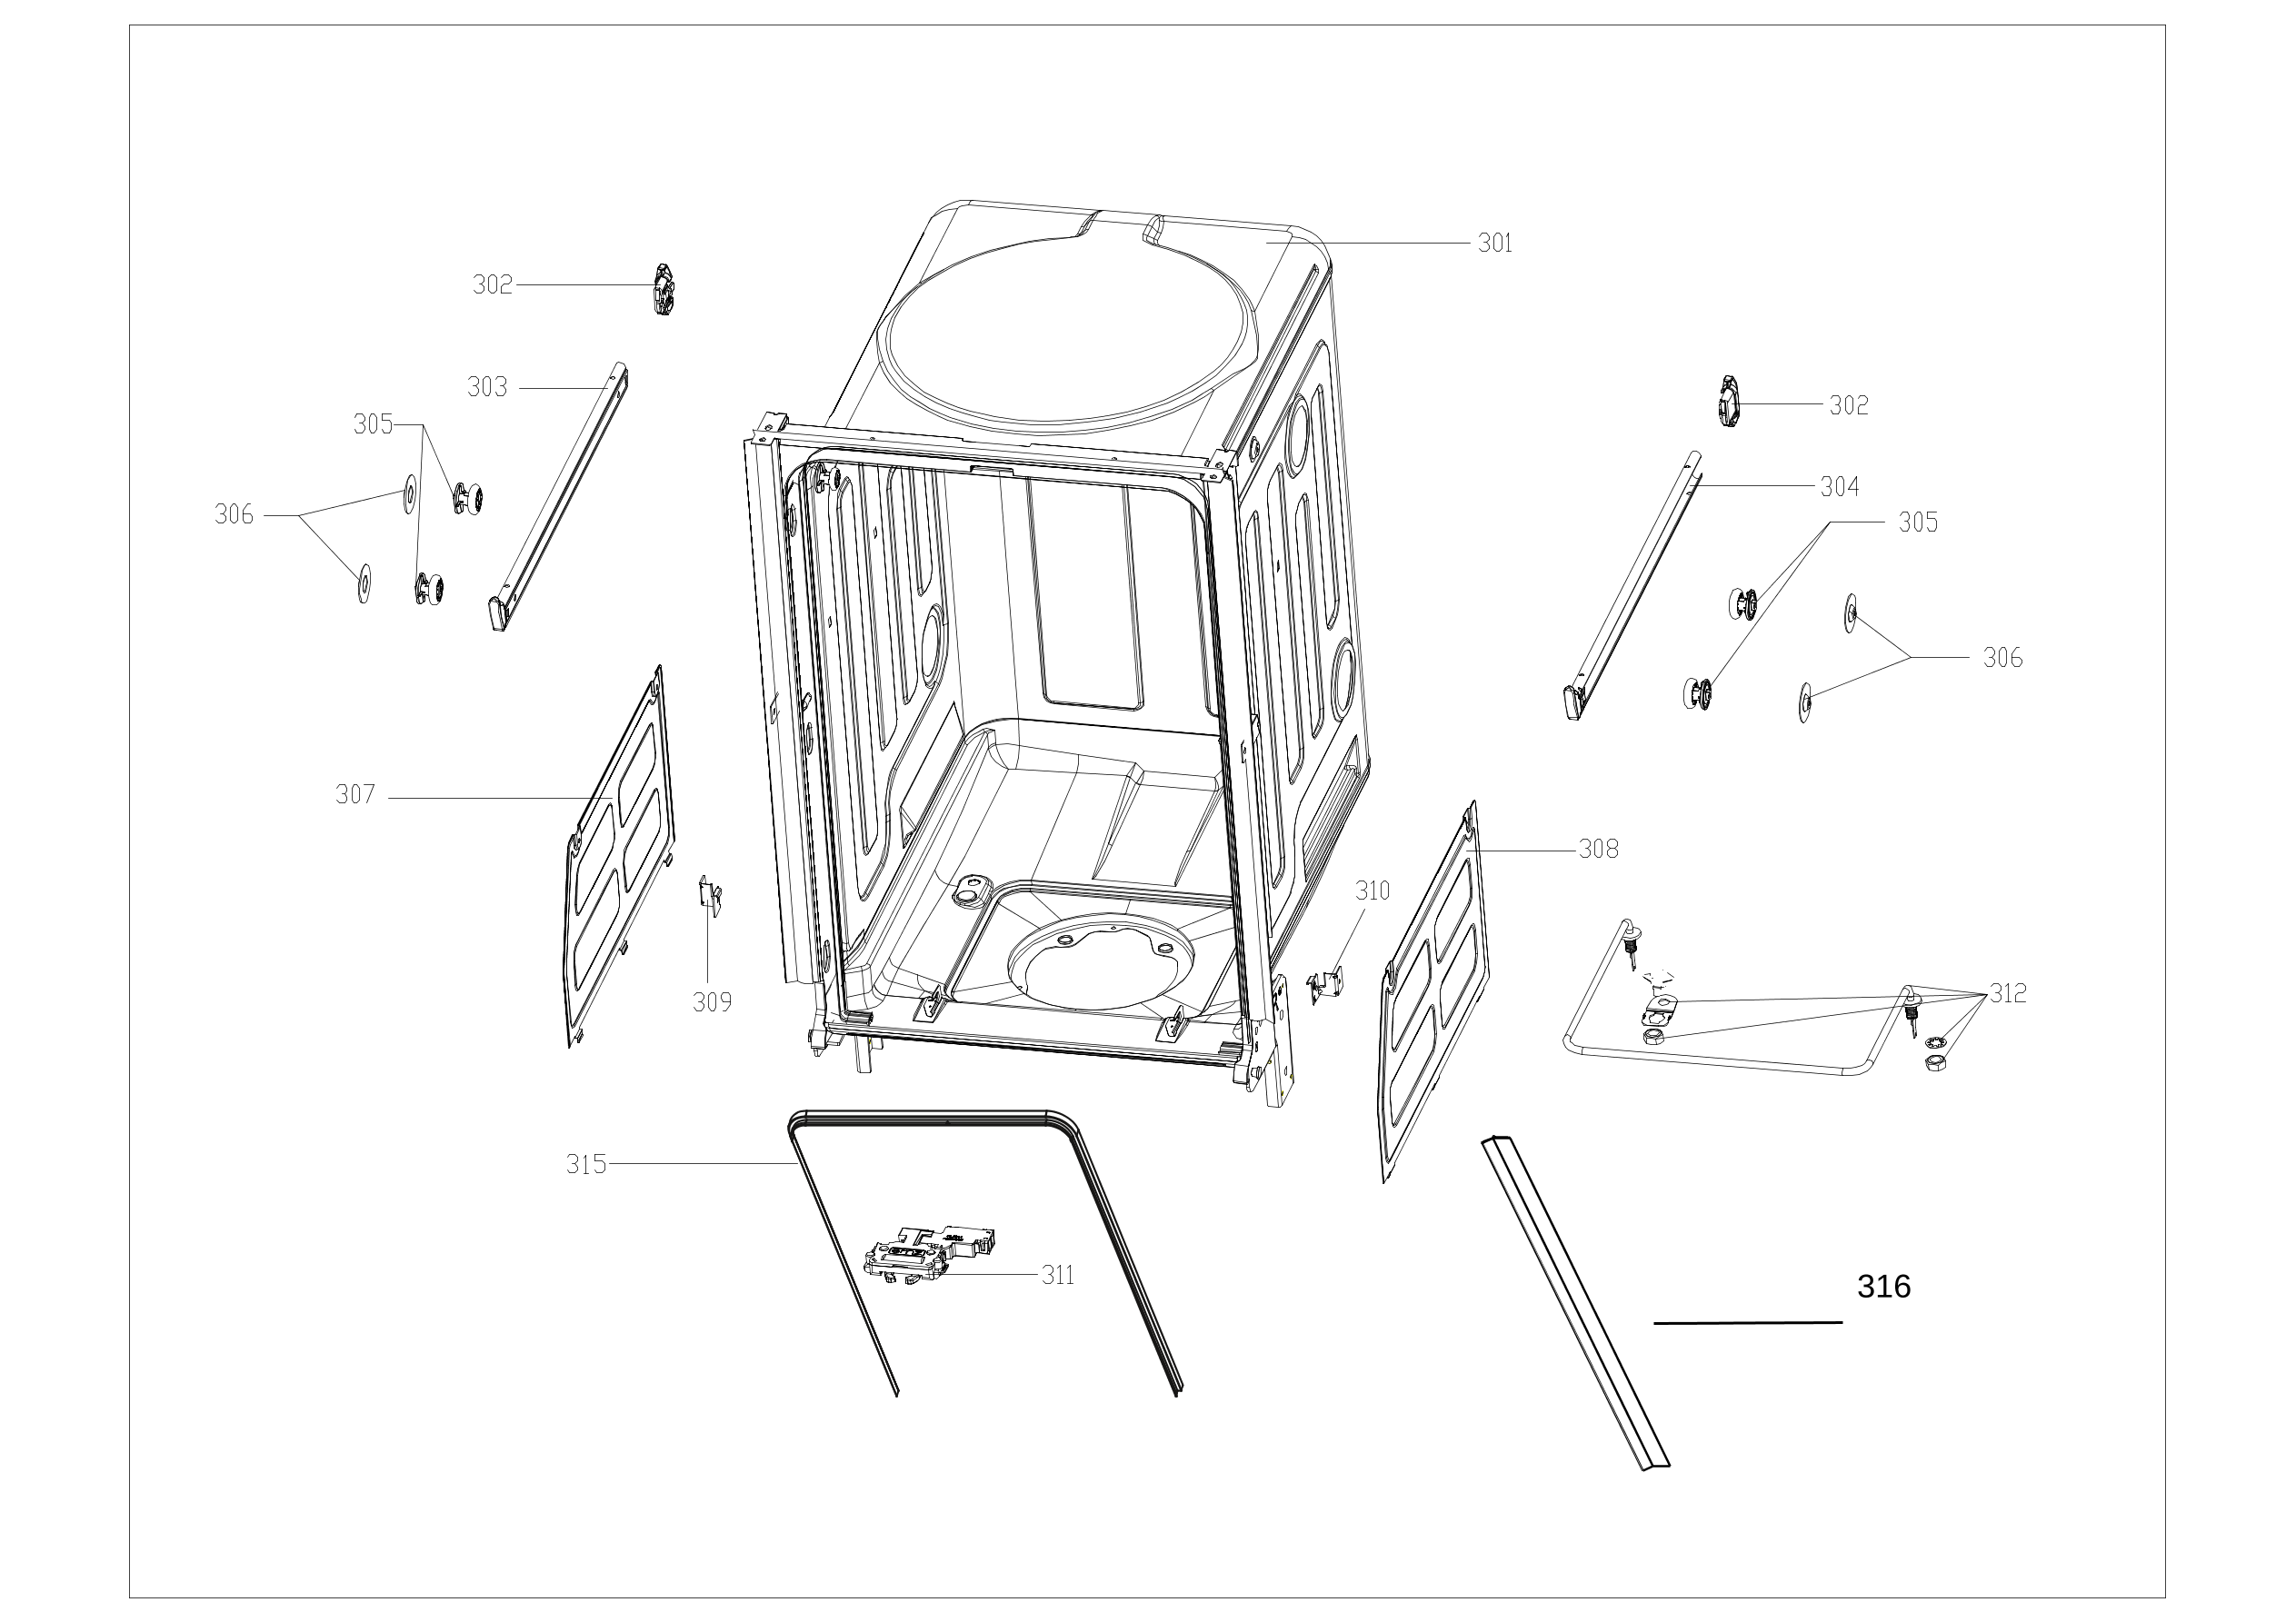

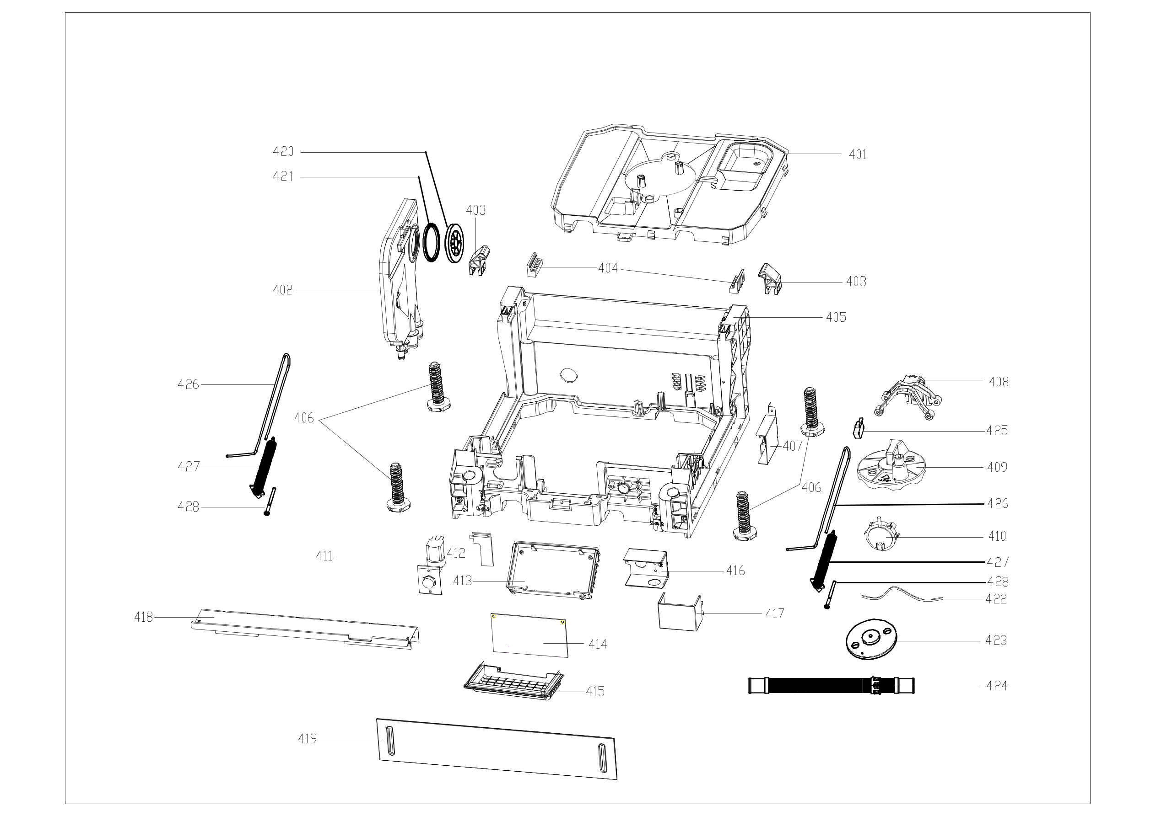

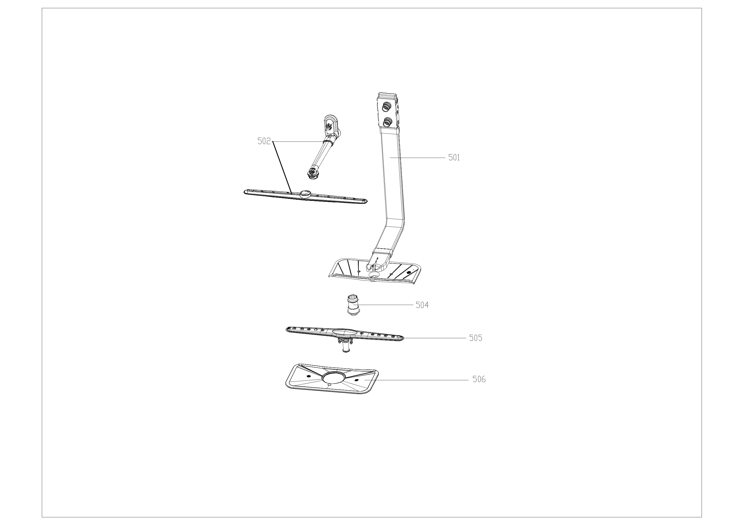

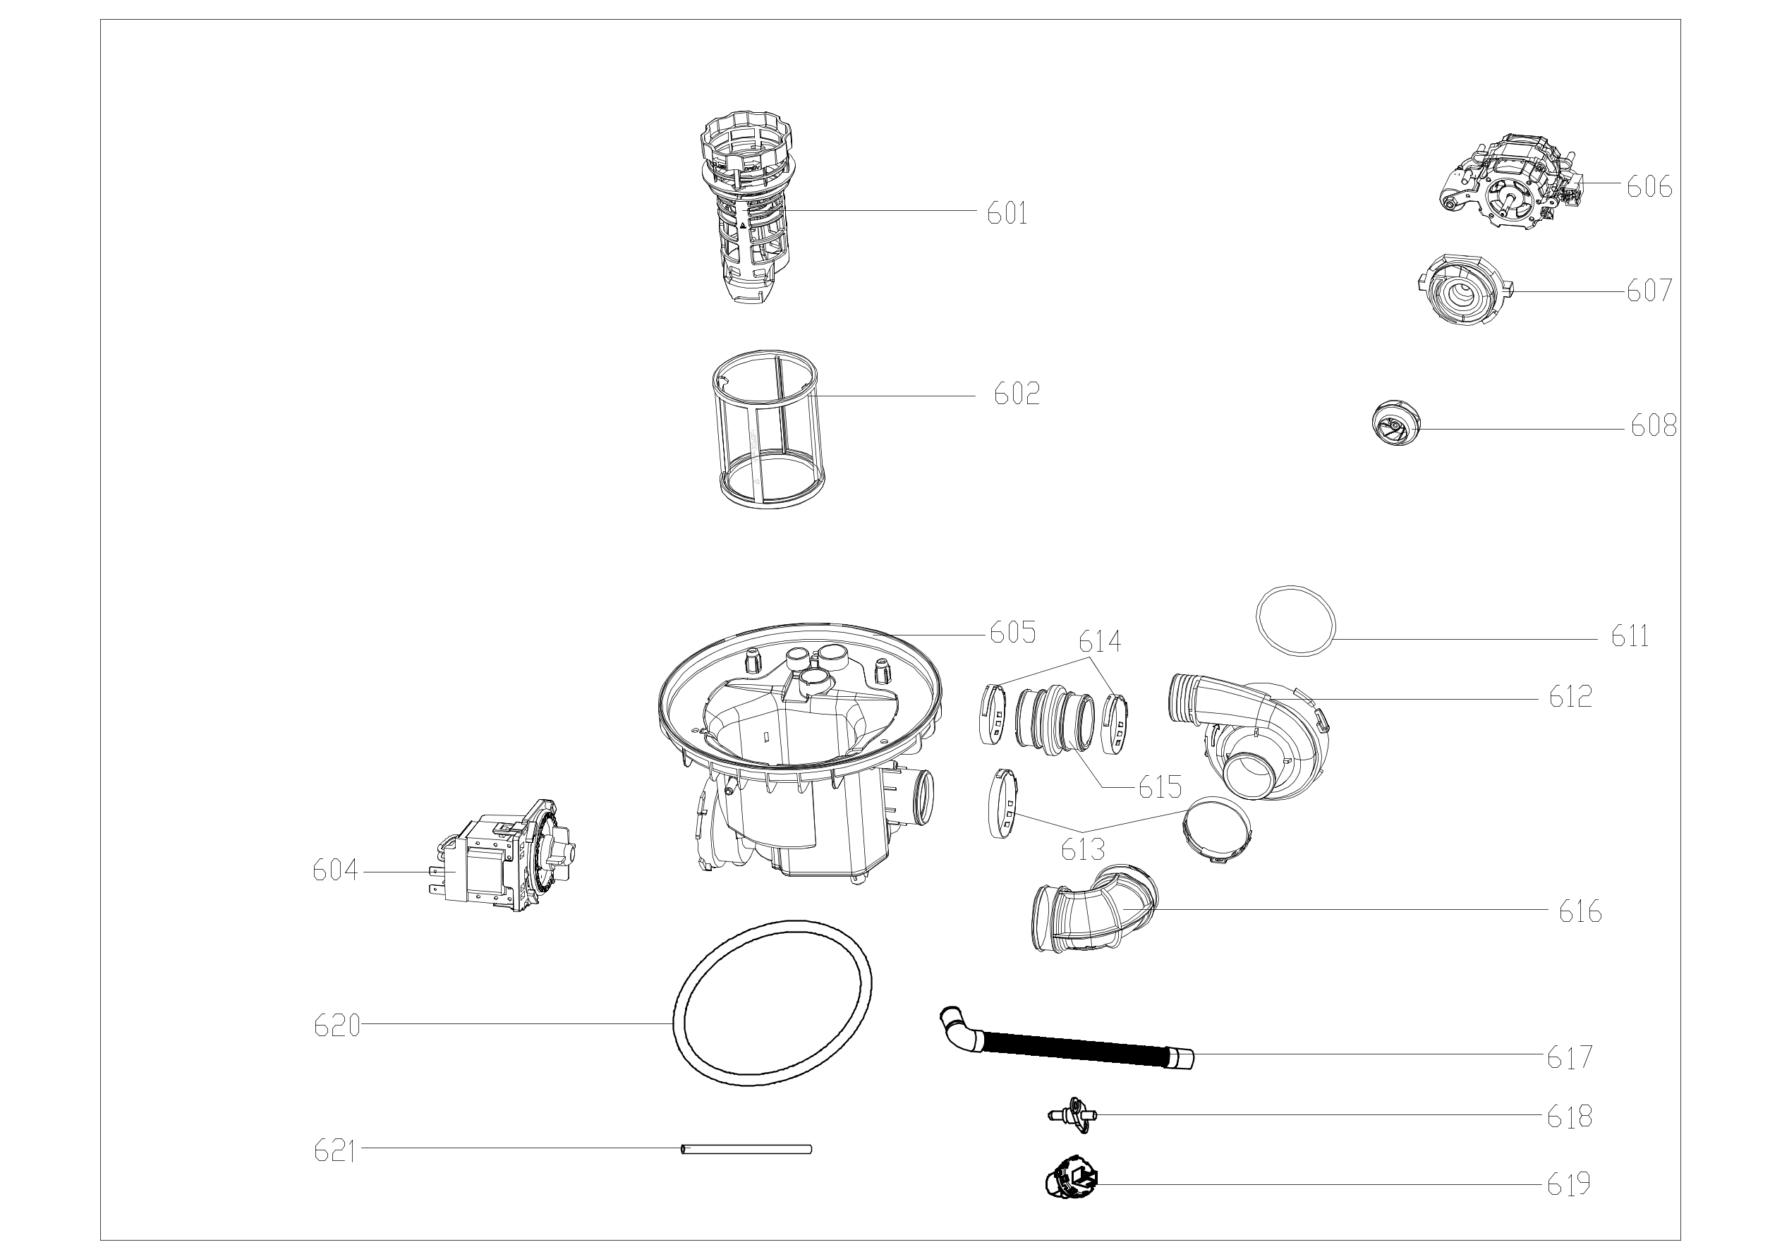

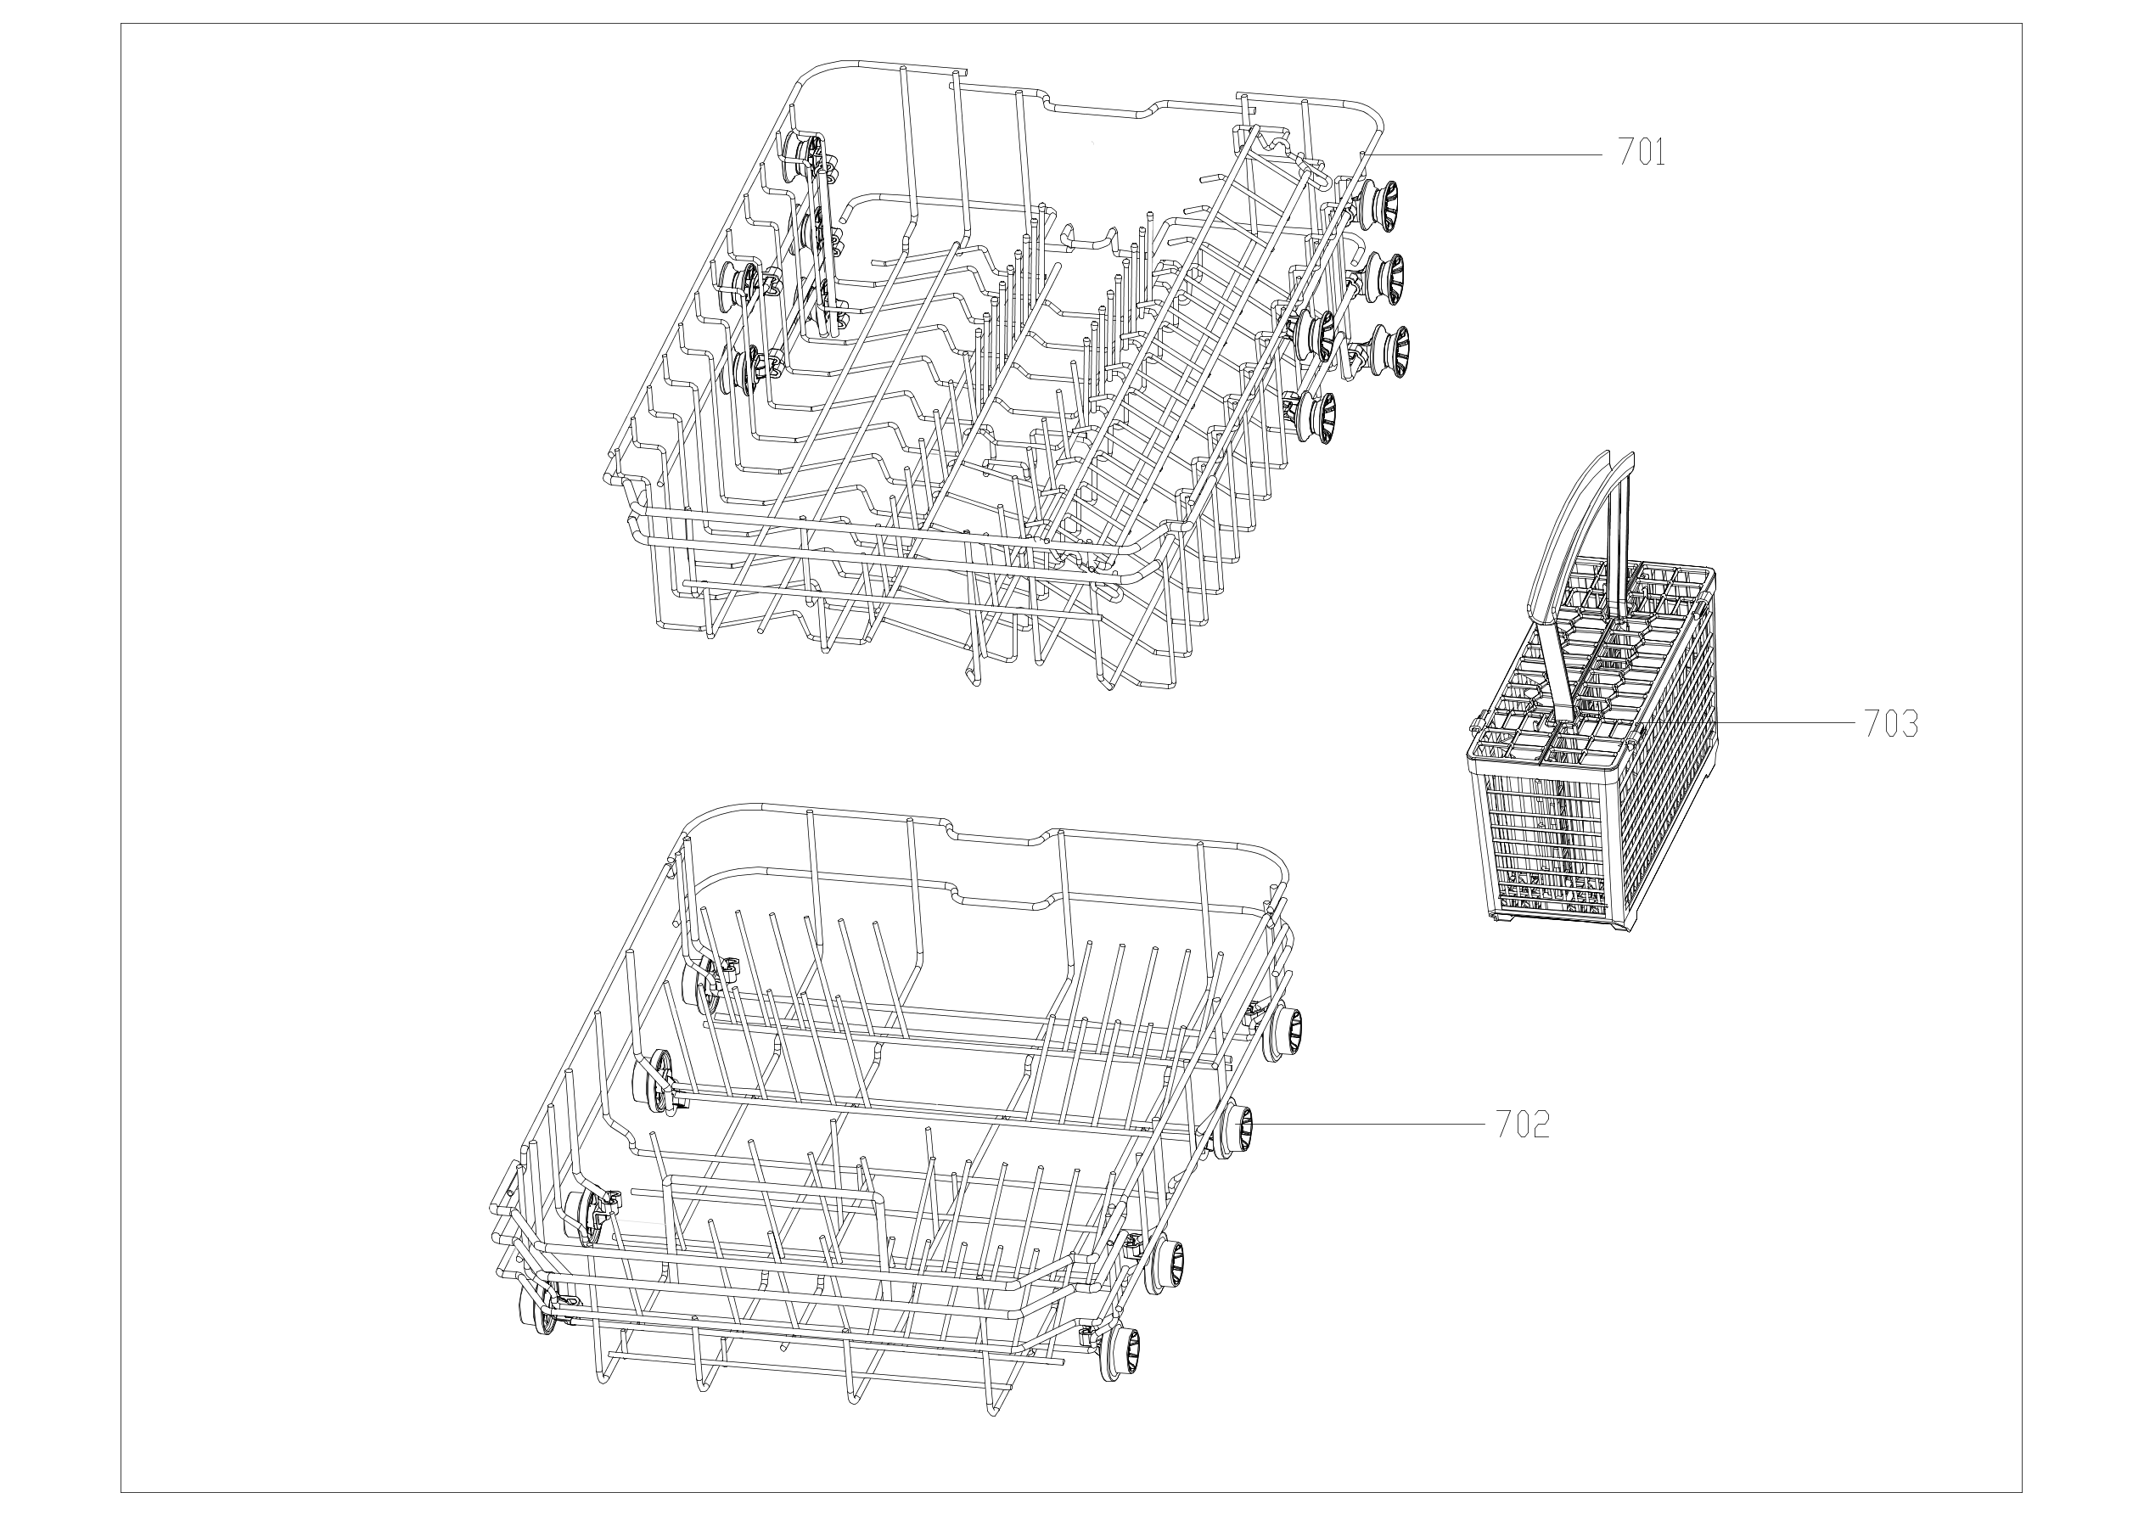

EX_ID | Spare Parts Code | Part Name(EN) | Qty.
101 | 12176000002369 | Handle Cover | 1
102 | 12176000025529 | Box | 1
103 | 12176000A44453 | Control Panel | 1
104 | 12176000A85070 | Control Panel Patch | 1
105 | 12276000006539 | GeneralMaterial | 1
106 | 17176000025421 | Display panel | 1
107 | 12176000025532 | Box | 1
201 | 12676000004005 | Seal Ring | 1
202 | 12176000035941 | Transom | 1
203 | 12676000000744 | Seal Ring | 1
204 | 12176000022490 | Plastic Nut | 1
205 | 12176000034743 | Door Lock Hook | 1
206 | 12276000015352 | Inner Door Assembly | 1
207 | 12276000001731 | Left Hinge Assembly | 1
208 | 12276000001778 | Righ Thinge Assembly | 1
209 | 17476000009602 | Dispenser | 1
210 | 12276000001812 | Hinge Join Board | 1
211 | 12176000003629 | Snap Ring | 2
212 | 12176000008565 | Lock Buckle Fixing Block | 1
213 | 12676000001038 | Waterproof Silicone Pad | 1
302 | 12176000008496 | Stopper | 2
303 | 12276000001357 | Guide Rail Assembly | 1
304 | 12276000001360 | Guide Rail Assembly | 1
305 | 12176000010412 | Rail Support Assembly | 4
306 | 12176000008573 | Basket Guider Supporting Holder | 4
307 | 12276000012470 | Connecting Board | 1
308 | 12276000012465 | Connecting Board | 1
309 | 12276000012467 | Bracket | 1
310 | 12276000012468 | Bracket | 1
311 | 17476000000035 | Door Swicth Assembly | 1
312 | 17476000007223 | Heating Tube Assembly | 1
315 | 12676000000893 | Seal | 1
316 | 12176000028249 | Door Protection Strip | 2
401 | 12176000022349 | Base Tray Cover | 1
402 | 12176000022483 | Air Breather | 1
403 | 12176000008440 | Tub Connecting Block | 2
404 | 12176000008598 | Tub Support | 2
405 | 12176000022348 | Base Tray Assembly | 1
406 | 12176000009726 | Foot | 4
407 | 12276000012469 | Bracket | 1
408 | 12276000008925 | Hook Assembly | 1
409 | 12176000022347 | Float Seat | 1
410 | 17476000007426 | Pressure Switch | 1
411 | 17476000A03978 | Inlet Valve | 1
412 | 12176000022345 | Block | 1
413 | 12176000022344 | PCB Box | 1
414 | 17176000025441 | Main control panel | 1
415 | 12176000022346 | PCB Box Cover | 1
416 | 12276000001798 | Junction Box A | 1
417 | 12276000001800 | Junction Box B | 1
418 | 12276000012471 | Acoustic Panel | 1
419 | 12276000A17585 | Adjustable Baseboard | 1
420 | 12176000013663 | Air Breather Nut | 1
421 | 12676000000713 | Washer | 1
422 | 12676000000651 | Pressure Switch Pvc Pipe | 1
423 | 12876000000050 | Float | 1
424 | 12676000004884 | Drain Hose Assembly | 1
425 | 17476000001137 | Microswitch | 1
426 | 12976000000392 | Door Rope | 2
427 | 12976000000133 | Spring | 2
428 | 12976000001001 | Adjust Screw of Door Spring | 2
501 | 12176000009430 | Inner Pipe Assembly | 1
502 | 12176000022224 | Upper Sprayer Assembly | 1
504 | 12176000008645 | Lower Sprayer Seat | 1
505 | 12276000012606 | Lower Sprayer | 1
506 | 12176000003689 | Plane Filter | 1
601 | 12176000009640 | Filter Handle | 1
602 | 12176000003676 | Cylindrical Filter | 1
604 | 11001011001029 | Permanent Magnet Synchronous Pump | 1
605 | 12176000016230 | Water Cup Assembly | 1
606 | 11002012028203 | Single Phase Asynchronous Motor | 1
607 | 12176000002603 | Lower Pump Case | 1
608 | 12176000008776 | Impeller | 1
611 | 12676000000780 | Pump Sealing Ring | 1
612 | 12176000022488 | Upper Pump Case | 1
613 | 12976000000308 | Clamp | 2
614 | 12976000004604 | Clamp | 2
615 | 12676000000132 | Washing Pump Outlet Pipe | 1
616 | 12676000000162 | Inlet Pipe | 1
617 | 12676000004602 | Drain Hose | 1
618 | 17176000000297 | Sensor Assembly | 1
619 | 17176000014521 | Turbidity Sensor | 1
620 | 12676000001461 | Seal Ring | 1
621 | 12676000000188 | Inlet Pipe | 2
701 | 12976000005831 | Upper Basket Assembly | 1
702 | 12976000005832 | Lower Basket Assembly | 1
703 | 12176000002753 | Cutlery Basket | 1

