ProductBom
Exploded View
客户型号(Customer model)： |  | ERBM19CBB
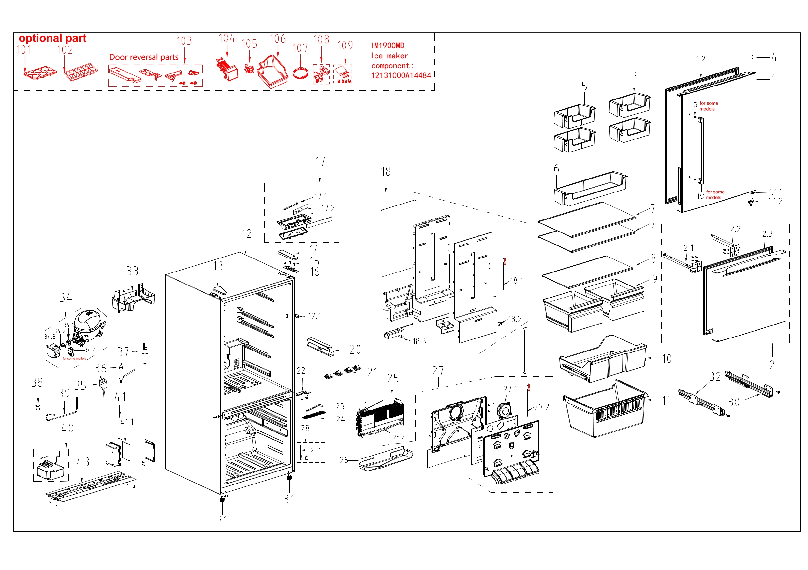

EX_ID | Spare Parts Code | Part Name(EN) | Qty.
1 | 12831000045454 | Refrigerator door assembly | 1
1.1 | 12131000090330 | end cap assembly of refrigerator | 1
1.1.1 | 12231000006546 | Stopper | 1
1.1.2 | 12131000003413 | Door self-locking | 1
1.2 | 12131000090457 | Door gasket assembly of refrigerator | 1
2 | 12831000045476 | Freezer door assembly | 1
2.1 | 12231000040426 | Slide rail support | 1
2.2 | 12231000040427 | Slide rail support | 1
2.3 | 12131000090456 | Door gasket assembly of freezer | 1
4 | 12131000006238 | Shaft sleave | 1
5 | 12131000073588 | R Small Tray | 3
6 | 12131000073586 | R Large Tray | 1
7 | 12531000013017 | Glass shelf assembly of refrigerator | 2
8 | 12531000013016 | Glass Shelf Assembly of Refrigerator | 1
9 | 12131000099755 | Fruits and Vegetables Box Component | 2
10 | 12131000073606 | F Upper Drawer Assembly | 1
11 | 12131000073602 | F bottom drawer | 1
12 | 12831000A12730 | Cabinet assembly | 1
12.1 | 17431000000392 | Sector-shaped switch | 1
13 | 12131000016005 | Cover plate | 1
14 | 12131000005258 | Hinge cover | 1
15 | 11303305000004 | Screw | 3
16 | 12231000042667 | Upper Hinge | 1
17 | 12131000073597 | Lamp mounting box assembly | 1
17.1 | 17431000009581 | LED lamp | 1
17.2 | 17131000011602 | Display control panel | 1
18 | 12131000094433 | air duct assembly of refrigerator | 1
18.1 | 11201007001540 | Temperature Sensor | 1
18.2 | 12131000073589 | Adjustment block of damper | 1
18.3 | 17431000033049 | Electric damper | 1
20 | 12131000073585 | Fixed base | 1
21 | 12131000073587 | Support component | 4
22 | 12231000040846 | Middle Hinge Assembly | 1
23 | 17431000008201 | LED lamp | 1
24 | 12131000073545 | Lamp cover | 1
25 | 15831000009004 | Component supplying fin evaporator | 1
25.2 | 17431000040469 | Defrost heater | 1
26 | 12231000040428 | Drain tray | 1
27 | 12131000094413 | Air duct assembly of freezer | 1
27.1 | 11002015016752 | Brushless DC Motor | 1
27.2 | 11201007001840 | Temperature Sensor | 1
28 | 12131000058031 | Cover assembly | 1
28.1 | 17431000000121 | Magnetic Switch | 1
30 | 12931000004181 | Slide Rail Assembly | 1
31 | 12131000000986 | Levelling feet | 2
32 | 12931000004182 | Slide Rail Assembly | 1
34 | 11101020009544 | DC Inverter Reciprocating Compressor | 1
36 | 15531000009186 | Dry filter | 1
38 | 12631000000256 | Water pipe connector | 1
43 | 12231000057262 | Compressor mounting panel assembly | 1
103 | 12231000052347 | Stopper | 1

